General
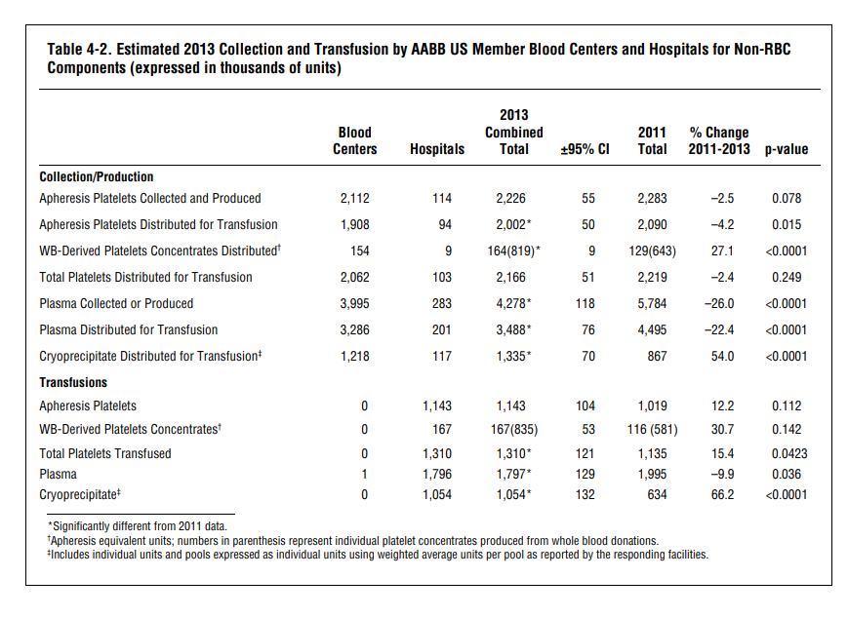
Population |  | 326,790,000 |  |  | http://www.centralbloodbank.org/donate-blood/facts
% elibible to donate |  | 38.00%
 |  |  |  |  | Shelf life
# elibible |  | 124,180,200 |  |  | Platelets | 5 days
 |  |  |  |  | Red cells | 42 days
 |  |  |  |  | Plasma | 1 year

 | 0.054759132293

 | 2013
 | WB and Red Cell units collected: |  | 13,600,000
 | WB allogeneic collections: |  | 11,700,000
 | Individuals presenting to donate |  | 14,000,000
 | Individuals successfully donate |  | 6,800,000
 | Red Cells used |  |  | % |  | http://www.aabb.org/about/who/Documents/2016-annual-report.pdf
 | General Medice |  |  | 28.50% | <-------- | http://www.aabb.org/research/hemovigilance/bloodsurvey/Documents/2013-AABB-Blood-Survey-Report.pdf
 | Surgery-general |  |  | 8.60% |  | https://www.oneblood.org/about-donating/blood-donor-basics/what-is-blood/why-blood-is-needed.stml
 | Surgery-Orthopedic |  |  | 3.20%
 | Surgery-Cardiac |  |  | 7.00%
 | Surgery-other |  |  | 1.00%
 | Transplant (solid organ) |  |  | 1.60%
 | Trauma/ER |  |  | 9.50%
 | Hematology/oncology/BMT |  |  | 19.20%
 | OBGYN |  |  | 2.20% |  | Chance of contracting HIV from transfusion
 | Pediatrics |  |  | 4.30% |  |  | Smith DK, Grohskopf LA, Black RJ, Auerbach JD, Veronese F, Struble KA, Cheever L, Johnson M, Paxton LA, Onorato IM, Greenberg AE (21 January 2005). "Antiretroviral postexposure prophylaxis after sexual, injection-drug use, or other nonoccupational exposure to HIV in the United States: recommendations from the U.S. Department of Health and Human Services.". MMWR. Recommendations and reports : Morbidity and mortality weekly report. Recommendations and reports / Centers for Disease Control. 54 (RR-2): 1–20. PMID 15660015
 | Dialysis/Nephrology |  |  | 2.30% |  | 90.00% | http://hivinsite.ucsf.edu/InSite?page=kb-07-02-09#S2X
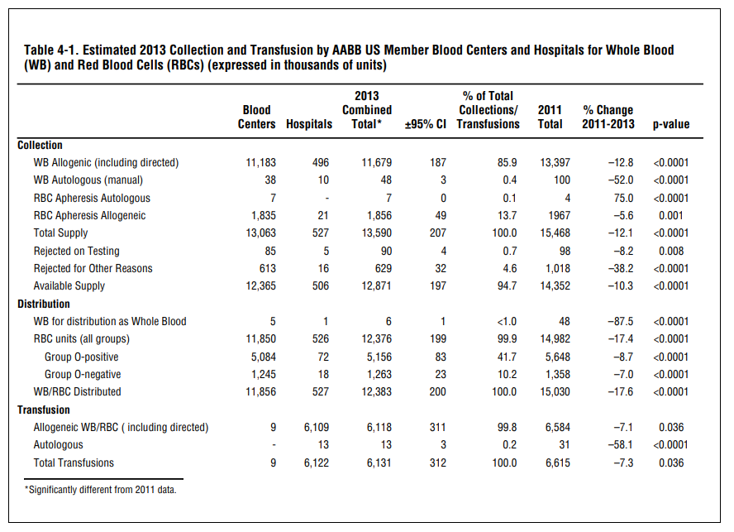
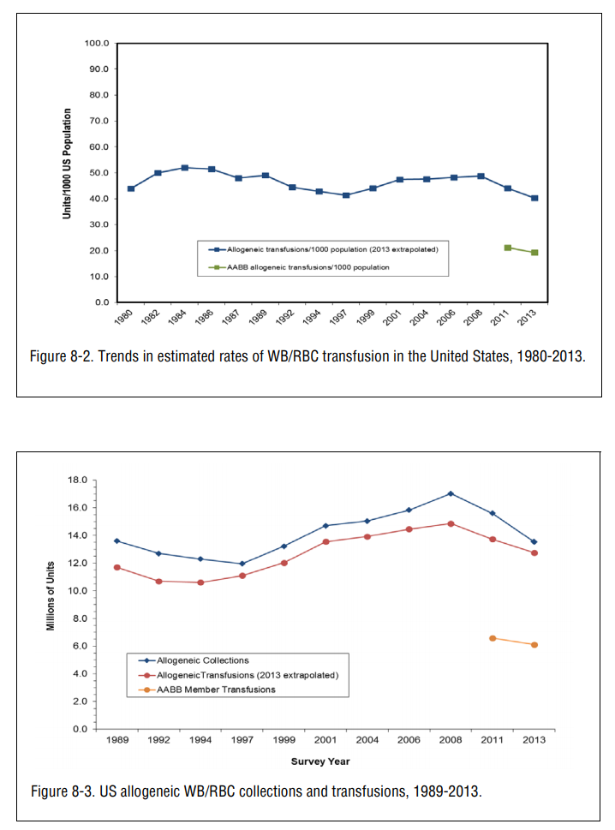
 | ICU |  |  | 12.50% |  | Independent of component

 | Platelets used |  |  |  |  | New HIV diagnoses (2005)
 | General Medice |  |  | 12.80% |  | African Americans | 49.00%
 | Surgery-general |  |  | 5.10% |  | MSM | 49.00%
 | Surgery-Orthopedic |  |  | 0.70% |  | High risk hetero | 32.00%
 | Surgery-Cardiac |  |  | 8.70%
 | Surgery-other |  |  | 1.50%
 | Transplant (solid organ) |  |  | 2.40%
 | Trauma/ER |  |  | 3.40%
 | Hematology/oncology/BMT |  |  | 43.60%
 | OBGYN |  |  | 0.50%
 | Pediatrics |  |  | 7.90%
 | Dialysis/Nephrology |  |  | 0.30%
 | ICU |  |  | 13.00%

 | RBC age at transfusion |  | 19.9 days
 | Platelet age at Transfusion |  | 3.2 days

HIV Conditional Probability
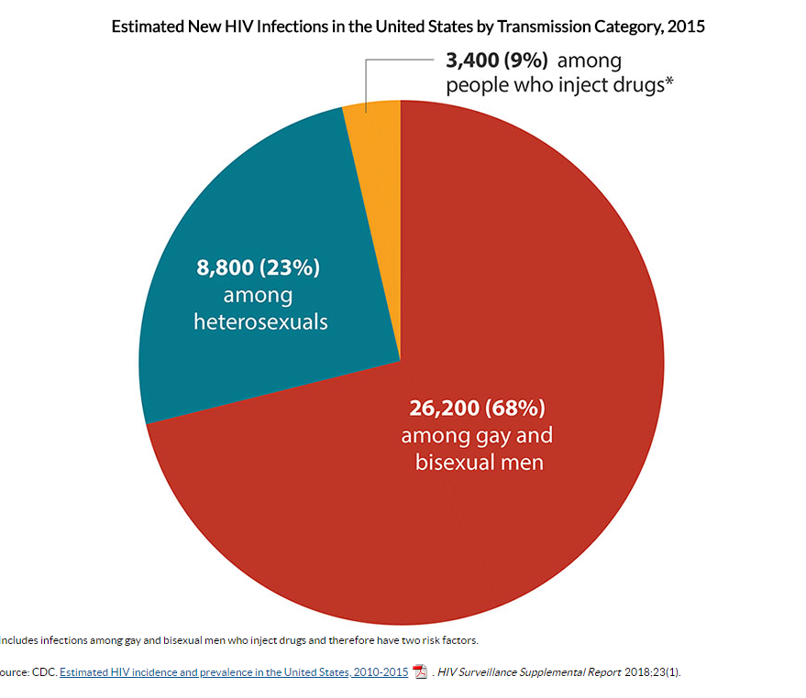
MSM:
% of population: |  | 2.00% | https://www.cdc.gov/hiv/pdf/group/msm/cdc-hiv-msm.pdf
% of new HIV infections: |  | 70.00%

Probability of HIV+ |  |  |  |  |  |  | U.S. Population

Having HIV | 0.3472% | https://www.cdc.gov/hiv/statistics/overview/ataglance.html |  |  |  |  | 2015 | 321,039,839
MSM | 2.000% |  |  |  |  |  | 2016 | 323,405,935
MSM and HIV+ | 0.1917% | https://www.cdc.gov/nchhstp/newsroom/docs/factsheets/cdc-msm-508.pdf |  |  |  |  | 2017 | 325,719,178
~MSM and HIV+ | 0.1509%

HIV+ given MSM | 9.5845%
HIV+ given ~MSM | 0.1540%

 | 6,420,796.78 |  |  |  |  | 0.45130%
 | 5805396.78

 | 314,619,042.22 |  |  |  |  | 0.002797%

Probability of not knowing | 15%

 |  |  |  | https://www.statista.com/statistics/241488/population-of-the-us-by-sex-and-age/
 |  |  |  | https://www.cdc.gov/hiv/statistics/overview/ataglance.html

Incidence rate by age | Number of cases | CrudeCount | Age distribution |  | Age-Adjusted Rate per 100,000
13-19 | 1,675 | 5.328 | 0.0972153 |  | 0.51792494161
20-29 | 14,740 | 32.560 | 0.1399789 |  | 4.5577394861
30-39 | 9,943 | 23.357 | 0.1316302 |  | 3.0744642952
40-49 | 6,490 | 15.966 | 0.1256934 |  | 2.0067658931
50-59 | 4,882 | 11.141 | 0.1354953 |  | 1.5095579492
60+ | 1,930 | 2.839 | 0.2102002 |  | 0.5967732163

 |  |  |  |  | 12.263225782

 |  |  |  | Probability of Acquiring HIV in a year |  | 0.01226%
 |  |  |  | Acquiring HIV given MSM |  | 0.451304%
 |  |  |  | Acquiring HIV given ~MSM |  | 0.002797%

Testing
https://www.researchgate.net/publication/264056703_Probability_of_a_false-negative_HIV_antibody_test_result_during_the_window_period_a_tool_for_pre-_and_post-test_counselling
Days | Cumulative probability of false negative |  | Cumulative probability of false negative 4th gen |  | 0 | 100%
0–9 | 1 | (.991–1.00) | 1 | (.992–1.00) | 9 | 100%
10 | 1 | (.991–1.00) | 0.99 | (.968–.993) | 10 | 99%
12 | 0.99 | (.971–.996) | 0.86 | (.820–.890) | 12 | 86%
14 | 0.95 | (.920–.968) | 0.79 | (.748–.829) | 14 | 79%
16 | 0.8 | (.751–.837) | 0.51 | (.463–.562) | 16 | 51%
18 | 0.7 | (.650–.747) | 0.4 | (.356–.453) | 18 | 40%
20 | 0.56 | (.503–.609) | 0.35 | (.305–.400) | 20 | 35%
22 | 0.46 | (.403–.509) | 0.31 | (.264–.355) | 22 | 31%
24 | 0.23 | (.187–.277) | 0.2 | (.159–.238) | 24 | 20%
26 | 0.22 | (.174–.262) | 0.18 | (.141–.216) | 26 | 18%
28 | 0.13 | (.097–.169) | 0.08 | (.058–.113) | 28 | 8%
30 | 0.09 | (.062–.122) | 0.08 | (.054–.108) | 30 | 8%
32 | 0.09 | (.062–.122) | 0.07 | (.048–.099) | 32 | 7%
34 | 0.07 | (.049–.104) | 0.05 | (.034–.078) | 34 | 5%
40 | 0.05 | (.038–.088) | 0.05 | (.034–.078) | 40 | 5%
42 | 0.05 | (.038–.088) | 0.01 | (.005–.027) | 42 | 1%
45 | 0.05 | (.038–.088) | 0.01 | (.005–.027) | 45 | 1%
50 | 0.05 | (.028–.074) | 0 |  | 50 | 0%

55 | 0.04 | (.026–.070)
60 | 0.04 | (.020–.061)
65 | 0.04 | (.020–.061)
70 | 0.03 | (.014–.050)
75 | 0.03 | (.014–.050)
80 | 0.03 | (.014–.050)
85 | 0.01 | (.002–.022)
90 | 0.01 | (.002–.022)
95 | 0.01 | (.002–.022)
99 | 0

Test | Sample Type | Sensitivity(percent) | Specificity(percent) | https://www.ncbi.nlm.nih.gov/pmc/articles/PMC5554671/
OraQuick advance Rapid | Oral fluid | 99.3 | 99.8
HIV1/2 Antibody test | Whole blood | 99.6 | 100
 | Plasma | 99.6 | 99.9
Clearview complete | Whole blood | 99.7 | 99.9
HIV1/2 | Serum and plasma | 99.7 | 99.9
Clearview HIV1/2 STATPAK | Whole blood | 99.7 | 99.9
 | Serum and plasma | 99.7 | 99.9
Reveal G-3 rapid HIV-1 antibody test | Serum | 99.8 | 99.1
 | Plasma | 99.8 | 98.6
Uni-gold recombingen | Whole blood | 100 | 99.7
HIV | Serum and plasma | 100 | 99.8
Multispot HIV-1/HIV-2 | Serum | 100 | 99.9
rapid test | Plasma | 100 | 99.9
INSTI HIV-antibody test | Plasma | 99.9 | 100
 | Whole blood (venipuncture) | 99.9 | 100
 | Whole blood (finger stick) | 99.8 | 99.5

DonationsVsTransfusions
Year | Transfusions | Donations | Donations W/ MSM Inclusion |  | Donations minus Transfusions
1989 | 11.72 | 13.63 | 15.33 |  | 1.91
1992 | 10.71 | 12.72 | 14.42 |  | 2.01
1994 | 10.66 | 12.32 | 14.02 |  | 1.66
1997 | 11.11 | 11.97 | 13.67 |  | 0.85
1999 | 12.02 | 13.22 | 14.92 |  | 1.21
2001 | 13.53 | 14.73 | 16.43 |  | 1.21
2004 | 13.93 | 15.08 | 16.78 |  | 1.16
2006 | 14.43 | 15.84 | 17.54 |  | 1.41
2008 | 14.88 | 16.99 | 18.69 |  | 2.11
2011 | 13.68 | 15.59 | 17.29 |  | 1.91
2013 | 12.77 | 13.58 | 15.28 |  | 0.80
2015 | 11.50 | 12.20 | 13.90 | https://www.ncbi.nlm.nih.gov/pmc/articles/PMC5556921/#!po=21.4286 | 0.70

Donations and Transfusions of Red Blood Cells by Year

HIV by Year
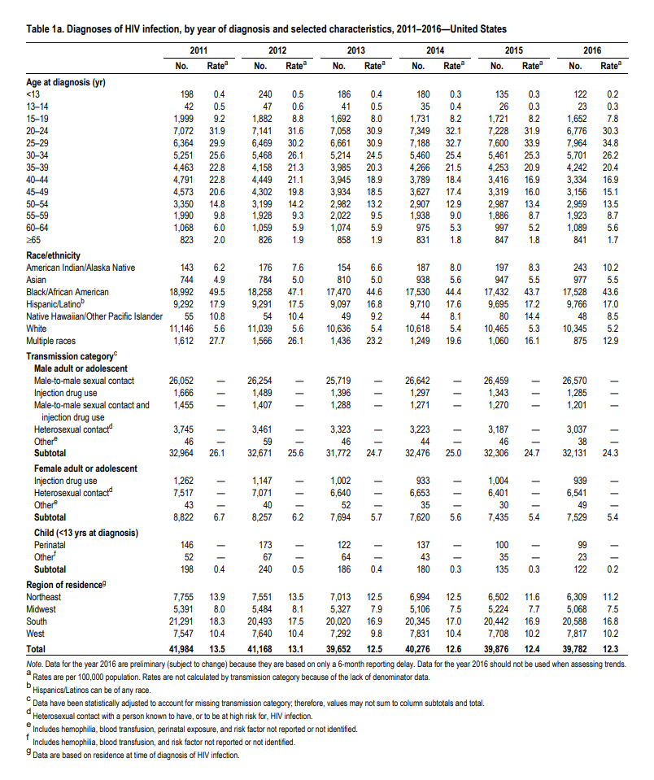
https://www.cdc.gov/hiv/pdf/library/reports/surveillance/cdc-hiv-surveillance-report-2016-vol-28.pdf

 |  | 46 | 59 | 46 | 44 | 46 | 38
 |  | 43 | 40 | 52 | 35 | 30 | 49

 |  | 89 | 99 | 98 | 79 | 76 | 87 | Average Adults | 88

 |  | 52
 |  | 67
 |  | 64
 |  | 43
 |  | 35
 |  | 32
 | Average Children | 48.833333333

Deferals
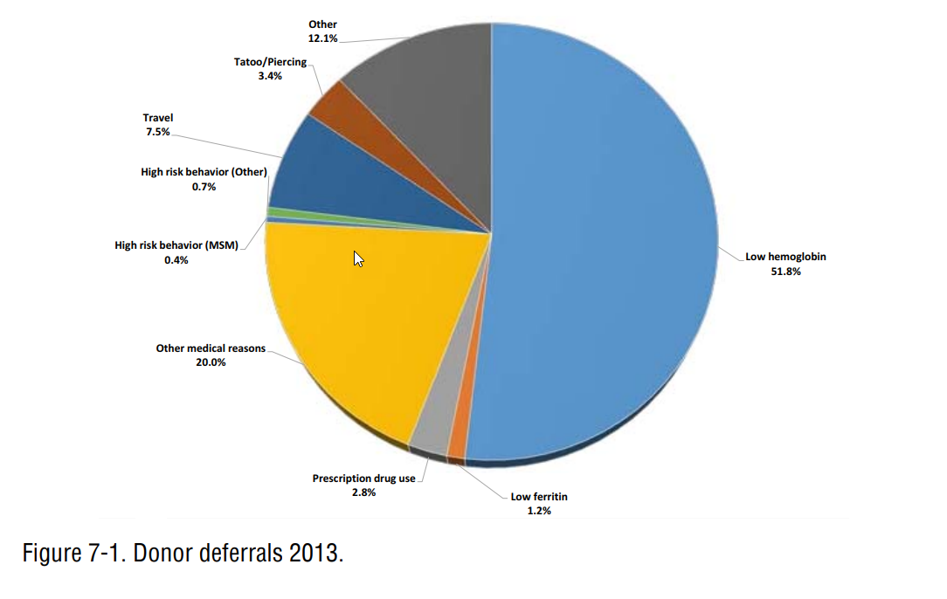
Total Deferals | 2,035,000 | http://www.aabb.org/research/hemovigilance/bloodsurvey/Documents/2013-AABB-Blood-Survey-Report.pdf
 | 14.6% among AABB blood collectors

Blood by month
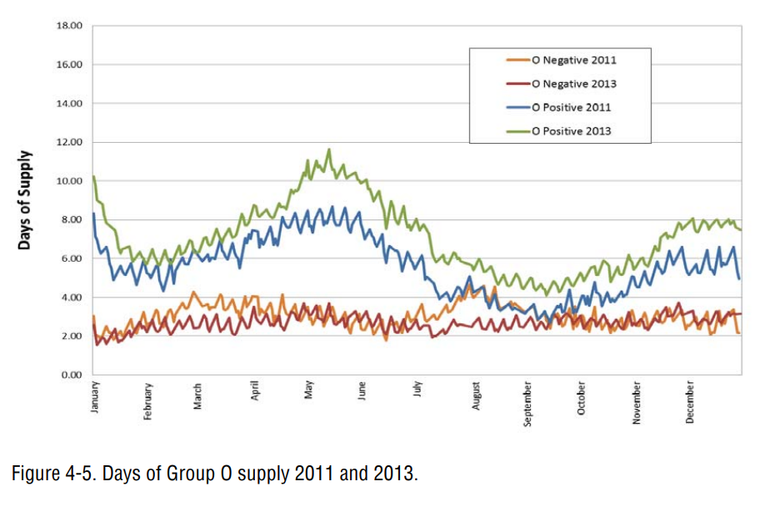
Day | 2013 O+ | Day | 2013 O- | Blood Donation Efficiency |  | Platelet Units | RBC Units | Plasma Units | http://www.aabb.org/research/hemovigilance/bloodsurvey/Documents/2013-AABB-Blood-Survey-Report.pdf
1.85 | 10.26 | 1.26 | 2.52 | 92.55% |  | 70,169.51 | 357,001.45 | 101,028.60
2.03 | 10.15 | 1.61 | 2.45 | 91.55% |  | 69,407.51 | 353,124.66 | 99,931.50
2.11 | 10.11 | 1.61 | 2.40 | 91.21% |  | 69,147.19 | 351,800.23 | 99,556.69
2.15 | 10.03 | 1.61 | 2.36 | 90.51% |  | 68,623.41 | 349,135.38 | 98,802.56
2.15 | 10.08 | 1.85 | 2.32 | 90.90% |  | 68,917.49 | 350,631.59 | 99,225.98
2.17 | 9.96 | 1.85 | 2.28 | 89.89% |  | 68,147.99 | 346,716.58 | 98,118.06
2.24 | 9.92 | 1.85 | 2.23 | 89.49% |  | 67,843.13 | 345,165.52 | 97,679.13
2.41 | 9.87 | 1.85 | 2.19 | 89.02% |  | 67,487.03 | 343,353.82 | 97,166.43
2.66 | 9.79 | 2.01 | 2.15 | 88.35% |  | 66,980.18 | 340,775.13 | 96,436.68
2.78 | 9.74 | 2.09 | 2.10 | 87.86% |  | 66,613.96 | 338,911.87 | 95,909.39
2.89 | 9.68 | 2.09 | 2.06 | 87.30% |  | 66,187.69 | 336,743.17 | 95,295.66
2.96 | 9.64 | 2.33 | 2.02 | 86.97% |  | 65,933.00 | 335,447.36 | 94,928.96
3.22 | 9.24 | 2.33 | 1.98 | 83.38% |  | 63,211.47 | 321,601.04 | 91,010.56
3.26 | 9.50 | 2.34 | 1.93 | 85.73% |  | 64,997.45 | 330,687.59 | 93,581.98
3.31 | 9.43 | 2.34 | 1.89 | 85.09% |  | 64,507.37 | 328,194.19 | 92,876.37
3.32 | 9.30 | 2.34 | 1.85 | 83.92% |  | 63,625.13 | 323,705.63 | 91,606.14
3.32 | 9.35 | 2.81 | 1.80 | 84.31% |  | 63,919.21 | 325,201.83 | 92,029.56
3.32 | 9.39 | 2.81 | 1.76 | 84.70% |  | 64,213.30 | 326,698.03 | 92,452.97
3.34 | 9.26 | 2.97 | 1.71 | 83.51% |  | 63,315.31 | 322,129.35 | 91,160.07
3.38 | 9.21 | 3.99 | 1.68 | 83.08% |  | 62,987.14 | 320,459.71 | 90,687.57
3.48 | 9.15 | 4.46 | 1.74 | 82.58% |  | 62,610.00 | 318,540.95 | 90,144.58
3.65 | 9.11 | 4.69 | 1.77 | 82.18% |  | 62,302.07 | 316,974.30 | 89,701.23
4.62 | 8.99 | 4.93 | 1.82 | 81.10% |  | 61,486.11 | 312,822.93 | 88,526.43
5.13 | 8.95 | 5.16 | 1.85 | 80.77% |  | 61,238.32 | 311,562.24 | 88,169.66
5.44 | 8.89 | 5.63 | 1.90 | 80.15% |  | 60,769.04 | 309,174.68 | 87,494.00
5.45 | 8.93 | 6.57 | 1.90 | 80.58% |  | 61,091.05 | 310,812.99 | 87,957.63
6.02 | 8.89 | 7.04 | 1.88 | 80.17% |  | 60,778.79 | 309,224.30 | 87,508.04
6.33 | 8.85 | 7.51 | 1.84 | 79.83% |  | 60,525.45 | 307,935.37 | 87,143.29
6.64 | 8.80 | 7.51 | 1.79 | 79.41% |  | 60,204.84 | 306,304.21 | 86,681.68
6.84 | 8.74 | 7.99 | 1.72 | 78.84% |  | 59,768.67 | 304,085.11 | 86,053.69
Blood Availability by Day (2013)
 | O- |  | O+
1.26 | 2.52 | 1.85 | 10.26
1.61 | 2.45 | 2.03 | 10.15
1.61 | 2.40 | 2.11 | 10.11
1.61 | 2.36 | 2.15 | 10.03
1.85 | 2.32 | 2.15 | 10.08
1.85 | 2.28 | 2.17 | 9.96
1.85 | 2.23 | 2.24 | 9.92
1.85 | 2.19 | 2.41 | 9.87
2.01 | 2.15 | 2.66 | 9.79
2.09 | 2.10 | 2.78 | 9.74
2.09 | 2.06 | 2.89 | 9.68
2.33 | 2.02 | 2.96 | 9.64
2.33 | 1.98 | 3.22 | 9.24
2.34 | 1.93 | 3.26 | 9.50
2.34 | 1.89 | 3.31 | 9.43
2.34 | 1.85 | 3.32 | 9.30
2.81 | 1.80 | 3.32 | 9.35
2.81 | 1.76 | 3.32 | 9.39
2.97 | 1.71 | 3.34 | 9.26
3.99 | 1.68 | 3.38 | 9.21
4.46 | 1.74 | 3.48 | 9.15
4.69 | 1.77 | 3.65 | 9.11
4.93 | 1.82 | 4.62 | 8.99
5.16 | 1.85 | 5.13 | 8.95
5.63 | 1.90 | 5.44 | 8.89
6.57 | 1.90 | 5.45 | 8.93
7.04 | 1.88 | 6.02 | 8.89
7.51 | 1.84 | 6.33 | 8.85
7.51 | 1.79 | 6.64 | 8.80
7.99 | 1.72 | 6.84 | 8.74
8.82 | 1.72 | 6.99 | 8.64
9.40 | 1.77 | 7.22 | 8.53
9.63 | 1.81 | 7.34 | 8.49
9.86 | 1.84 | 7.45 | 8.44
10.09 | 1.90 | 7.57 | 8.39
10.35 | 1.92 | 7.73 | 8.33
10.35 | 1.92 | 8.02 | 8.21
10.80 | 1.98 | 8.17 | 8.14
10.80 | 1.98 | 8.21 | 8.02
11.18 | 2.04 | 8.23 | 8.09
11.64 | 2.10 | 8.28 | 8.03
11.68 | 2.10 | 8.37 | 7.99
11.73 | 2.14 | 8.49 | 7.95
12.20 | 2.19 | 8.83 | 7.89
12.20 | 2.19 | 9.77 | 7.81
13.50 | 2.16 | 10.53 | 7.76
13.85 | 2.08 | 11.36 | 7.70
13.85 | 2.01 | 12.11 | 7.64
14.09 | 1.95 | 12.94 | 7.58
14.09 | 1.91 | 13.21 | 7.51
...
6.99 | 8.64 | 8.82 | 1.72 | 77.98% |  | 59,119.39 | 300,781.77 | 85,118.87
7.22 | 8.53 | 9.40 | 1.77 | 76.98% |  | 58,362.30 | 296,929.93 | 84,028.83
7.34 | 8.49 | 9.63 | 1.81 | 76.58% |  | 58,057.52 | 295,379.29 | 83,590.01
7.45 | 8.44 | 9.86 | 1.84 | 76.17% |  | 57,746.49 | 293,796.86 | 83,142.20
7.57 | 8.39 | 10.09 | 1.90 | 75.73% |  | 57,411.14 | 292,090.68 | 82,659.36
7.73 | 8.33 | 10.35 | 1.92 | 75.16% |  | 56,985.20 | 289,923.63 | 82,046.10
8.02 | 8.21 | 10.35 | 1.92 | 74.10% |  | 56,179.55 | 285,824.74 | 80,886.15
8.17 | 8.14 | 10.80 | 1.98 | 73.45% |  | 55,689.56 | 283,331.80 | 80,180.67
8.21 | 8.02 | 10.80 | 1.98 | 72.33% |  | 54,834.91 | 278,983.62 | 78,950.17
8.23 | 8.09 | 11.18 | 2.04 | 72.95% |  | 55,307.31 | 281,387.02 | 79,630.31
8.28 | 8.03 | 11.64 | 2.10 | 72.44% |  | 54,918.74 | 279,410.13 | 79,070.87
8.37 | 7.99 | 11.68 | 2.10 | 72.08% |  | 54,649.08 | 278,038.18 | 78,682.61
8.49 | 7.95 | 11.73 | 2.14 | 71.71% |  | 54,370.17 | 276,619.17 | 78,281.05
8.83 | 7.89 | 12.20 | 2.19 | 71.20% |  | 53,982.87 | 274,648.71 | 77,723.42
9.77 | 7.81 | 12.20 | 2.19 | 70.43% |  | 53,397.25 | 271,669.23 | 76,880.25
10.53 | 7.76 | 13.50 | 2.16 | 69.99% |  | 53,059.08 | 269,948.74 | 76,393.37
11.36 | 7.70 | 13.85 | 2.08 | 69.50% |  | 52,692.98 | 268,086.09 | 75,866.25
12.11 | 7.64 | 13.85 | 2.01 | 68.92% |  | 52,252.57 | 265,845.44 | 75,232.17
12.94 | 7.58 | 14.09 | 1.95 | 68.34% |  | 51,810.24 | 263,594.97 | 74,595.30
13.21 | 7.51 | 14.09 | 1.91 | 67.73% |  | 51,347.47 | 261,240.58 | 73,929.03
13.26 | 7.55 | 14.09 | 1.87 | 68.11% |  | 51,640.82 | 262,733.06 | 74,351.39
13.89 | 7.46 | 14.56 | 1.82 | 67.32% |  | 51,040.10 | 259,676.74 | 73,486.47
14.07 | 7.42 | 15.08 | 1.75 | 66.95% |  | 50,754.17 | 258,222.01 | 73,074.80
14.19 | 7.37 | 15.74 | 1.74 | 66.48% |  | 50,398.77 | 256,413.86 | 72,563.10
14.28 | 7.30 | 16.21 | 1.76 | 65.82% |  | 49,898.45 | 253,868.39 | 71,842.76
14.33 | 7.24 | 16.68 | 1.76 | 65.35% |  | 49,546.00 | 252,075.20 | 71,335.30
14.39 | 7.20 | 17.39 | 1.80 | 64.93% |  | 49,225.71 | 250,445.69 | 70,874.16
14.68 | 7.07 | 17.85 | 1.84 | 63.80% |  | 48,370.66 | 246,095.43 | 69,643.07
14.80 | 7.03 | 18.09 | 1.88 | 63.43% |  | 48,086.10 | 244,647.69 | 69,233.37
15.00 | 6.97 | 18.68 | 1.96 | 62.85% |  | 47,646.48 | 242,411.01 | 68,600.41
15.18 | 6.90 | 19.26 | 2.02 | 62.21% |  | 47,167.89 | 239,976.11 | 67,911.35
15.24 | 6.85 | 19.62 | 2.08 | 61.75% |  | 46,815.05 | 238,180.96 | 67,403.33
15.26 | 6.77 | 20.30 | 2.14 | 61.11% |  | 46,333.69 | 235,731.93 | 66,710.28
15.26 | 6.77 | 21.69 | 2.10 | 61.11% |  | 46,333.69 | 235,731.93 | 66,710.28
15.34 | 6.73 | 21.69 | 2.10 | 60.69% |  | 46,014.15 | 234,106.20 | 66,250.21
15.43 | 6.84 | 22.00 | 2.07 | 61.74% |  | 46,809.71 | 238,153.78 | 67,395.64
15.57 | 6.64 | 22.96 | 2.08 | 59.92% |  | 45,426.61 | 231,117.00 | 65,404.29
15.71 | 6.60 | 23.01 | 2.09 | 59.54% |  | 45,143.52 | 229,676.71 | 64,996.70
15.71 | 6.60 | 23.48 | 2.13 | 59.54% |  | 45,143.52 | 229,676.71 | 64,996.70
16.54 | 6.23 | 23.48 | 2.13 | 56.22% |  | 42,620.10 | 216,838.30 | 61,363.53
18.56 | 6.57 | 23.95 | 2.24 | 59.26% |  | 44,926.53 | 228,572.76 | 64,684.29
18.61 | 6.57 | 23.95 | 2.18 | 59.28% |  | 44,939.82 | 228,640.34 | 64,703.42
19.09 | 6.60 | 24.18 | 2.28 | 59.50% |  | 45,111.69 | 229,514.80 | 64,950.88
19.18 | 6.60 | 24.31 | 2.33 | 59.53% |  | 45,132.23 | 229,619.28 | 64,980.45
19.69 | 6.61 | 24.88 | 2.38 | 59.67% |  | 45,236.17 | 230,148.11 | 65,130.10
20.09 | 6.62 | 25.35 | 2.44 | 59.73% |  | 45,287.33 | 230,408.40 | 65,203.76
20.42 | 6.54 | 25.58 | 2.49 | 58.98% |  | 44,719.16 | 227,517.70 | 64,385.72
21.95 | 6.48 | 25.81 | 2.53 | 58.46% |  | 44,318.47 | 225,479.09 | 63,808.81
22.04 | 6.44 | 26.28 | 2.55 | 58.11% |  | 44,056.56 | 224,146.60 | 63,431.72
22.15 | 6.39 | 27.71 | 2.55 | 57.62% |  | 43,685.27 | 222,257.57 | 62,897.14
22.43 | 6.29 | 27.73 | 2.55 | 56.74% |  | 43,018.49 | 218,865.18 | 61,937.12
22.93 | 6.19 | 28.09 | 2.50 | 55.86% |  | 42,346.77 | 215,447.70 | 60,970.00
23.16 | 6.14 | 28.87 | 2.44 | 55.41% |  | 42,011.60 | 213,742.45 | 60,487.43
23.75 | 6.03 | 28.87 | 2.44 | 54.38% |  | 41,230.13 | 209,766.54 | 59,362.28
25.19 | 6.11 | 29.50 | 2.43 | 55.14% |  | 41,800.52 | 212,668.53 | 60,183.52
25.58 | 6.15 | 29.50 | 2.43 | 55.44% |  | 42,032.65 | 213,849.54 | 60,517.74
25.84 | 6.18 | 30.05 | 2.36 | 55.73% |  | 42,247.78 | 214,944.08 | 60,827.48
26.20 | 6.22 | 30.05 | 2.36 | 56.07% |  | 42,508.44 | 216,270.23 | 61,202.77
26.41 | 6.23 | 30.53 | 2.29 | 56.20% |  | 42,611.05 | 216,792.28 | 61,350.51
26.64 | 6.24 | 31.47 | 2.27 | 56.26% |  | 42,650.00 | 216,990.45 | 61,406.59
26.64 | 6.24 | 31.93 | 2.39 | 56.26% |  | 42,650.00 | 216,990.45 | 61,406.59
27.10 | 6.24 | 31.93 | 2.34 | 56.30% |  | 42,680.81 | 217,147.17 | 61,450.94
27.37 | 6.24 | 32.40 | 2.48 | 56.28% |  | 42,668.52 | 217,084.65 | 61,433.25
27.72 | 6.23 | 32.40 | 2.43 | 56.23% |  | 42,630.34 | 216,890.43 | 61,378.28
28.19 | 6.23 | 32.87 | 2.52 | 56.23% |  | 42,631.28 | 216,895.17 | 61,379.63
28.29 | 6.20 | 33.34 | 2.56 | 55.89% | Max O+ | 42,374.90 | 215,590.81 | 61,010.50
28.30 | 6.20 | 33.57 | 2.60 | 55.89% | 11.08570421 | 42,371.56 | 215,573.83 | 61,005.70
28.90 | 6.13 | 34.75 | 2.57 | 55.31% |  | 41,936.59 | 213,360.82 | 60,379.43
29.03 | 6.12 | 34.75 | 2.56 | 55.19% |  | 41,845.22 | 212,895.95 | 60,247.88
29.46 | 6.08 | 35.22 | 2.51 | 54.81% |  | 41,556.24 | 211,425.72 | 59,831.81
29.65 | 6.06 | 35.22 | 2.49 | 54.68% |  | 41,453.97 | 210,905.40 | 59,684.57
30.07 | 6.03 | 35.22 | 2.47 | 54.37% |  | 41,218.60 | 209,707.92 | 59,345.69
30.15 | 6.01 | 35.22 | 2.43 | 54.26% |  | 41,135.59 | 209,285.58 | 59,226.17
30.30 | 6.00 | 35.22 | 2.43 | 54.16% |  | 41,062.83 | 208,915.42 | 59,121.42
30.41 | 5.99 | 35.69 | 2.39 | 54.08% |  | 40,998.37 | 208,587.43 | 59,028.60
30.45 | 5.98 | 35.70 | 2.36 | 53.99% |  | 40,929.12 | 208,235.13 | 58,928.90
30.57 | 5.97 | 35.70 | 2.34 | 53.86% |  | 40,835.01 | 207,756.33 | 58,793.41
30.79 | 5.96 | 35.93 | 2.32 | 53.72% |  | 40,726.16 | 207,202.49 | 58,636.67
31.30 | 5.94 | 36.17 | 2.30 | 53.61% |  | 40,644.92 | 206,789.19 | 58,519.71
32.57 | 6.02 | 36.17 | 2.27 | 54.28% |  | 41,149.10 | 209,354.32 | 59,245.62
32.78 | 6.04 | 36.17 | 2.26 | 54.52% |  | 41,330.68 | 210,278.13 | 59,507.06
32.86 | 6.05 | 36.41 | 2.23 | 54.61% |  | 41,400.91 | 210,635.44 | 59,608.17
32.89 | 6.06 | 36.64 | 2.21 | 54.64% |  | 41,425.92 | 210,762.67 | 59,644.18
33.05 | 6.08 | 36.88 | 2.19 | 54.84% |  | 41,575.96 | 211,526.05 | 59,860.21
33.15 | 6.09 | 37.35 | 2.19 | 54.95% |  | 41,663.82 | 211,973.05 | 59,986.70
35.92 | 6.13 | 37.35 | 2.19 | 55.26% |  | 41,896.74 | 213,158.06 | 60,322.05
36.00 | 6.11 | 38.05 | 2.23 | 55.15% |  | 41,809.49 | 212,714.18 | 60,196.44
36.34 | 6.06 | 38.52 | 2.34 | 54.69% |  | 41,464.06 | 210,956.71 | 59,699.09
36.38 | 6.06 | 38.52 | 2.29 | 54.64% |  | 41,425.55 | 210,760.82 | 59,643.65
36.62 | 6.02 | 38.98 | 2.42 | 54.33% |  | 41,188.36 | 209,554.07 | 59,302.15
36.87 | 5.98 | 38.99 | 2.38 | 53.98% |  | 40,927.20 | 208,225.35 | 58,926.13
37.15 | 5.94 | 39.21 | 2.51 | 53.63% |  | 40,656.09 | 206,846.02 | 58,535.80
37.32 | 5.92 | 39.22 | 2.46 | 53.43% |  | 40,511.18 | 206,108.74 | 58,327.15
37.84 | 5.90 | 39.45 | 2.55 | 53.19% |  | 40,329.42 | 205,184.02 | 58,065.46
38.26 | 5.89 | 39.76 | 2.60 | 53.11% |  | 40,268.31 | 204,873.11 | 57,977.48
38.68 | 5.89 | 39.91 | 2.63 | 53.13% |  | 40,278.74 | 204,926.16 | 57,992.49
39.23 | 5.91 | 40.38 | 2.68 | 53.33% |  | 40,428.94 | 205,690.33 | 58,208.74
39.31 | 5.92 | 41.79 | 2.64 | 53.39% |  | 40,477.01 | 205,934.92 | 58,277.96
39.82 | 6.00 | 41.79 | 2.63 | 54.11% |  | 41,021.04 | 208,702.77 | 59,061.24
39.82 | 6.00 | 41.80 | 2.59 | 54.11% |  | 41,021.04 | 208,702.77 | 59,061.24
42.79 | 5.98 | 41.80 | 2.59 | 53.94% |  | 40,895.46 | 208,063.88 | 58,880.44
44.03 | 5.90 | 41.80 | 2.55 | 53.18% |  | 40,321.39 | 205,143.17 | 58,053.90
44.72 | 5.86 | 41.80 | 2.55 | 52.90% |  | 40,108.85 | 204,061.82 | 57,747.89
45.16 | 5.85 | 42.27 | 2.50 | 52.78% |  | 40,015.26 | 203,585.69 | 57,613.15
45.69 | 5.86 | 42.27 | 2.48 | 52.88% |  | 40,092.04 | 203,976.30 | 57,723.69
46.15 | 5.89 | 42.27 | 2.46 | 53.11% |  | 40,267.47 | 204,868.82 | 57,976.26
46.37 | 5.91 | 42.27 | 2.42 | 53.30% |  | 40,408.18 | 205,584.75 | 58,178.87
46.57 | 5.94 | 42.27 | 2.42 | 53.57% |  | 40,611.28 | 206,618.03 | 58,471.28
46.75 | 5.97 | 42.75 | 2.37 | 53.87% |  | 40,838.07 | 207,771.86 | 58,797.80
46.80 | 5.98 | 42.75 | 2.35 | 53.94% |  | 40,896.90 | 208,071.17 | 58,882.50
47.01 | 6.14 | 42.75 | 2.33 | 55.40% |  | 42,002.98 | 213,698.57 | 60,475.01
47.01 | 6.09 | 42.98 | 2.31 | 54.95% |  | 41,659.88 | 211,953.00 | 59,981.03
47.01 | 6.14 | 43.22 | 2.29 | 55.40% |  | 42,002.98 | 213,698.57 | 60,475.01
47.01 | 6.09 | 43.22 | 2.26 | 54.95% |  | 41,659.88 | 211,953.00 | 59,981.03
47.05 | 6.20 | 43.22 | 2.24 | 55.88% |  | 42,368.89 | 215,560.25 | 61,001.85
47.05 | 6.20 | 43.46 | 2.22 | 55.88% |  | 42,368.89 | 215,560.25 | 61,001.85
47.32 | 6.25 | 43.69 | 2.20 | 56.41% |  | 42,765.81 | 217,579.63 | 61,573.32
47.32 | 6.25 | 43.70 | 2.17 | 56.41% |  | 42,765.81 | 217,579.63 | 61,573.32
48.24 | 6.37 | 43.70 | 2.16 | 57.47% |  | 43,572.77 | 221,685.19 | 62,735.16
48.24 | 6.37 | 44.17 | 2.09 | 57.47% |  | 43,572.77 | 221,685.19 | 62,735.16
48.26 | 6.37 | 44.70 | 2.04 | 57.49% |  | 43,588.66 | 221,766.06 | 62,758.05
52.05 | 6.40 | 45.11 | 2.07 | 57.72% |  | 43,760.83 | 222,642.01 | 63,005.94
52.44 | 6.42 | 45.58 | 2.11 | 57.95% |  | 43,931.45 | 223,510.05 | 63,251.58
52.91 | 6.47 | 45.89 | 2.16 | 58.34% |  | 44,226.67 | 225,012.05 | 63,676.64
53.17 | 6.50 | 46.05 | 2.20 | 58.65% |  | 44,464.36 | 226,221.36 | 64,018.86
53.21 | 6.51 | 46.36 | 2.24 | 58.70% |  | 44,503.78 | 226,421.93 | 64,075.62
53.39 | 6.54 | 46.51 | 2.28 | 59.03% |  | 44,750.95 | 227,679.45 | 64,431.49
53.56 | 6.58 | 46.82 | 2.33 | 59.40% |  | 45,030.17 | 229,100.05 | 64,833.51
53.68 | 6.62 | 46.98 | 2.37 | 59.72% |  | 45,276.83 | 230,354.98 | 65,188.65
53.72 | 6.63 | 47.45 | 2.41 | 59.81% |  | 45,346.93 | 230,711.60 | 65,289.57
54.18 | 6.71 | 47.68 | 2.45 | 60.51% |  | 45,872.14 | 233,383.72 | 66,045.75
54.40 | 6.74 | 47.91 | 2.49 | 60.82% |  | 46,109.99 | 234,593.81 | 66,388.20
54.47 | 6.75 | 48.22 | 2.54 | 60.92% |  | 46,184.17 | 234,971.26 | 66,495.02
56.83 | 6.72 | 48.38 | 2.58 | 60.63% |  | 45,965.29 | 233,857.65 | 66,179.87
56.97 | 6.68 | 48.85 | 2.62 | 60.24% |  | 45,672.59 | 232,368.45 | 65,758.44
57.29 | 6.60 | 49.79 | 2.60 | 59.55% |  | 45,149.72 | 229,708.25 | 65,005.63
57.47 | 6.56 | 49.79 | 2.60 | 59.17% |  | 44,855.80 | 228,212.90 | 64,582.45
57.52 | 6.52 | 50.26 | 2.54 | 58.78% |  | 44,561.78 | 226,716.98 | 64,159.12
57.62 | 6.47 | 50.26 | 2.54 | 58.38% |  | 44,259.61 | 225,179.66 | 63,724.07
58.32 | 6.39 | 50.26 | 2.49 | 57.61% |  | 43,680.29 | 222,232.24 | 62,889.97
59.16 | 6.39 | 50.26 | 2.49 | 57.62% |  | 43,681.10 | 222,236.35 | 62,891.14
60.06 | 6.42 | 50.74 | 2.42 | 57.96% |  | 43,939.28 | 223,549.90 | 63,262.86
60.68 | 6.45 | 51.99 | 2.41 | 58.14% |  | 44,077.53 | 224,253.28 | 63,461.91
61.20 | 6.49 | 52.15 | 2.44 | 58.54% |  | 44,379.30 | 225,788.58 | 63,896.39
61.49 | 6.54 | 52.61 | 2.48 | 58.98% |  | 44,713.64 | 227,489.62 | 64,377.77
61.67 | 6.59 | 52.93 | 2.53 | 59.43% |  | 45,058.41 | 229,243.70 | 64,874.16
62.01 | 6.72 | 53.08 | 2.57 | 60.63% |  | 45,965.34 | 233,857.87 | 66,179.94
62.09 | 6.76 | 53.55 | 2.65 | 61.02% |  | 46,263.90 | 235,376.90 | 66,609.81
62.12 | 6.78 | 53.55 | 2.61 | 61.14% |  | 46,352.54 | 235,827.86 | 66,737.43
62.22 | 6.83 | 54.01 | 2.74 | 61.59% |  | 46,697.10 | 237,580.86 | 67,233.51
62.23 | 6.83 | 54.01 | 2.69 | 61.64% |  | 46,732.29 | 237,759.91 | 67,284.18
62.31 | 6.86 | 54.38 | 2.79 | 61.93% |  | 46,948.97 | 238,862.30 | 67,596.15
62.34 | 6.88 | 54.95 | 2.84 | 62.05% |  | 47,041.77 | 239,334.43 | 67,729.76
62.60 | 6.95 | 55.89 | 2.79 | 62.68% |  | 47,518.33 | 241,759.03 | 68,415.90
62.64 | 6.95 | 55.89 | 2.78 | 62.73% |  | 47,557.41 | 241,957.88 | 68,472.18
62.65 | 6.95 | 56.37 | 2.70 | 62.74% |  | 47,563.19 | 241,987.30 | 68,480.50
62.85 | 6.98 | 56.37 | 2.70 | 62.99% |  | 47,752.24 | 242,949.13 | 68,752.69
62.91 | 6.99 | 56.37 | 2.65 | 63.05% |  | 47,801.79 | 243,201.18 | 68,824.02
65.28 | 6.97 | 56.37 | 2.65 | 62.89% |  | 47,681.56 | 242,589.51 | 68,650.92
65.34 | 6.96 | 56.84 | 2.57 | 62.83% |  | 47,632.22 | 242,338.47 | 68,579.88
66.37 | 6.86 | 56.84 | 2.52 | 61.91% |  | 46,935.45 | 238,793.50 | 67,576.68
66.82 | 6.85 | 57.08 | 2.48 | 61.77% |  | 46,830.53 | 238,259.73 | 67,425.63
67.56 | 6.86 | 57.32 | 2.40 | 61.91% |  | 46,936.21 | 238,797.40 | 67,577.78
68.25 | 6.94 | 57.56 | 2.37 | 62.63% |  | 47,485.26 | 241,590.80 | 68,368.29
68.31 | 6.95 | 58.03 | 2.34 | 62.72% |  | 47,548.17 | 241,910.84 | 68,458.86
68.55 | 7.01 | 58.50 | 2.34 | 63.26% |  | 47,960.53 | 244,008.80 | 69,052.57
68.84 | 7.10 | 58.97 | 2.34 | 64.07% |  | 48,577.20 | 247,146.26 | 69,940.44
68.91 | 7.13 | 59.44 | 2.34 | 64.29% |  | 48,741.59 | 247,982.64 | 70,177.14
68.95 | 7.14 | 59.91 | 2.34 | 64.42% |  | 48,839.42 | 248,480.38 | 70,317.99
68.95 | 7.14 | 60.61 | 2.38 | 64.42% |  | 48,839.42 | 248,480.38 | 70,317.99
72.27 | 7.21 | 61.08 | 2.51 | 65.00% |  | 49,276.83 | 250,705.76 | 70,947.76
72.27 | 7.21 | 61.08 | 2.47 | 65.00% |  | 49,281.24 | 250,728.21 | 70,954.11
72.89 | 7.14 | 61.08 | 2.43 | 64.41% |  | 48,833.36 | 248,449.53 | 70,309.26
72.89 | 7.14 | 61.54 | 2.60 | 64.41% |  | 48,833.36 | 248,449.53 | 70,309.26
73.25 | 7.12 | 61.54 | 2.55 | 64.19% |  | 48,663.10 | 247,583.30 | 70,064.12
73.62 | 7.10 | 62.01 | 2.68 | 64.08% |  | 48,581.14 | 247,166.31 | 69,946.12
74.32 | 7.12 | 62.01 | 2.64 | 64.18% |  | 48,660.88 | 247,571.99 | 70,060.92
75.15 | 7.19 | 62.32 | 2.73 | 64.90% |  | 49,201.57 | 250,322.87 | 70,839.40
75.29 | 7.22 | 62.47 | 2.81 | 65.10% |  | 49,353.19 | 251,094.25 | 71,057.70
75.54 | 7.26 | 62.47 | 2.77 | 65.51% |  | 49,668.16 | 252,696.76 | 71,511.19
75.60 | 7.27 | 62.94 | 2.85 | 65.62% |  | 49,745.90 | 253,092.25 | 71,623.11
75.65 | 7.28 | 63.88 | 2.88 | 65.71% |  | 49,818.42 | 253,461.21 | 71,727.53
78.55 | 7.36 | 63.88 | 2.88 | 66.37% |  | 50,316.56 | 255,995.58 | 72,444.73
81.56 | 7.37 | 64.35 | 2.81 | 66.51% |  | 50,421.06 | 256,527.24 | 72,595.19
81.74 | 7.41 | 64.35 | 2.81 | 66.83% |  | 50,670.64 | 257,797.06 | 72,954.54
81.77 | 7.41 | 64.83 | 2.73 | 66.88% |  | 50,703.27 | 257,963.04 | 73,001.51
81.96 | 7.45 | 64.83 | 2.68 | 67.22% |  | 50,958.94 | 259,263.85 | 73,369.63
82.02 | 7.46 | 64.83 | 2.63 | 67.32% |  | 51,040.74 | 259,679.99 | 73,487.39
82.15 | 7.50 | 64.83 | 2.59 | 67.62% |  | 51,265.80 | 260,825.05 | 73,811.44
82.31 | 7.54 | 65.31 | 2.51 | 68.02% |  | 51,565.62 | 262,350.44 | 74,243.11
82.49 | 7.59 | 65.31 | 2.46 | 68.48% |  | 51,919.19 | 264,149.28 | 74,752.17
82.56 | 7.61 | 65.31 | 2.42 | 68.68% |  | 52,066.75 | 264,900.06 | 74,964.63
82.59 | 7.63 | 65.31 | 2.37 | 68.82% |  | 52,178.33 | 265,467.74 | 75,125.28
82.62 | 7.65 | 65.79 | 2.30 | 69.00% |  | 52,308.71 | 266,131.05 | 75,312.99
82.71 | 7.68 | 66.54 | 2.25 | 69.32% |  | 52,553.39 | 267,375.95 | 75,665.29
82.77 | 7.71 | 66.73 | 2.29 | 69.55% |  | 52,730.99 | 268,279.51 | 75,920.99
82.85 | 7.73 | 67.19 | 2.37 | 69.77% |  | 52,892.62 | 269,101.84 | 76,153.70
83.00 | 7.77 | 67.20 | 2.33 | 70.06% |  | 53,112.72 | 270,221.63 | 76,470.59
83.02 | 7.77 | 67.43 | 2.41 | 70.10% |  | 53,143.92 | 270,380.35 | 76,515.51
83.20 | 7.80 | 67.66 | 2.46 | 70.40% |  | 53,376.08 | 271,561.52 | 76,849.77
83.29 | 7.82 | 67.89 | 2.50 | 70.53% |  | 53,471.42 | 272,046.58 | 76,987.04
83.29 | 7.82 | 68.12 | 2.58 | 70.57% |  | 53,501.19 | 272,198.04 | 77,029.90
83.47 | 7.85 | 68.13 | 2.54 | 70.85% |  | 53,716.00 | 273,290.93 | 77,339.18
83.49 | 7.86 | 68.59 | 2.67 | 70.93% |  | 53,771.69 | 273,574.25 | 77,419.36
83.51 | 7.87 | 68.59 | 2.63 | 71.02% |  | 53,843.67 | 273,940.47 | 77,523.00
86.03 | 7.96 | 69.06 | 2.75 | 71.81% |  | 54,440.88 | 276,978.92 | 78,382.85
88.86 | 7.98 | 69.06 | 2.71 | 72.03% |  | 54,606.15 | 277,819.77 | 78,620.81
88.95 | 8.02 | 69.52 | 2.80 | 72.37% |  | 54,866.49 | 279,144.31 | 78,995.64
89.00 | 8.06 | 69.89 | 2.85 | 72.71% |  | 55,127.69 | 280,473.20 | 79,371.71
89.00 | 8.07 | 70.93 | 2.80 | 72.78% |  | 55,174.74 | 280,712.57 | 79,439.45
89.04 | 8.10 | 70.93 | 2.79 | 73.05% |  | 55,384.90 | 281,781.81 | 79,742.03
89.12 | 8.13 | 70.94 | 2.75 | 73.30% |  | 55,570.80 | 282,727.61 | 80,009.69
89.20 | 8.15 | 70.94 | 2.75 | 73.51% |  | 55,729.65 | 283,535.77 | 80,238.39
89.33 | 8.18 | 70.94 | 2.71 | 73.82% |  | 55,969.22 | 284,754.63 | 80,583.32
89.45 | 8.22 | 70.94 | 2.71 | 74.12% |  | 56,191.70 | 285,886.53 | 80,903.64
89.54 | 8.24 | 70.94 | 2.66 | 74.30% |  | 56,329.24 | 286,586.30 | 81,101.67
89.70 | 8.28 | 70.94 | 2.66 | 74.67% |  | 56,611.63 | 288,023.04 | 81,508.25
89.86 | 8.32 | 71.18 | 2.62 | 75.07% |  | 56,913.11 | 289,556.85 | 81,942.31
89.87 | 8.32 | 71.18 | 2.62 | 75.09% |  | 56,928.51 | 289,635.24 | 81,964.49
90.06 | 8.37 | 71.42 | 2.58 | 75.52% |  | 57,254.33 | 291,292.89 | 82,433.59
90.06 | 8.37 | 71.42 | 2.56 | 75.52% |  | 57,254.33 | 291,292.89 | 82,433.59
90.25 | 8.42 | 71.42 | 2.49 | 75.99% |  | 57,608.11 | 293,092.82 | 82,942.96
90.37 | 8.46 | 71.42 | 2.45 | 76.28% |  | 57,833.18 | 294,237.93 | 83,267.02
92.18 | 8.64 | 71.89 | 2.37 | 77.94% |  | 59,088.02 | 300,622.15 | 85,073.70
92.28 | 8.69 | 71.90 | 2.32 | 78.39% |  | 59,428.29 | 302,353.35 | 85,563.62
93.36 | 8.43 | 72.37 | 2.25 | 76.06% |  | 57,667.65 | 293,395.75 | 83,028.69
93.69 | 8.39 | 73.08 | 2.19 | 75.70% |  | 57,388.35 | 291,974.77 | 82,626.56
94.58 | 8.35 | 73.55 | 2.21 | 75.28% |  | 57,071.93 | 290,364.92 | 82,170.99
95.40 | 8.34 | 74.25 | 2.25 | 75.24% |  | 57,046.38 | 290,234.92 | 82,134.20
95.97 | 8.36 | 74.72 | 2.31 | 75.37% |  | 57,144.72 | 290,735.24 | 82,275.78
96.68 | 8.42 | 75.18 | 2.40 | 75.97% |  | 57,597.79 | 293,040.30 | 82,928.10
97.41 | 8.49 | 75.19 | 2.36 | 76.59% |  | 58,067.79 | 295,431.55 | 83,604.80
98.25 | 8.51 | 75.65 | 2.48 | 76.78% |  | 58,214.05 | 296,175.69 | 83,815.39
98.87 | 8.48 | 75.65 | 2.44 | 76.50% |  | 57,999.38 | 295,083.51 | 83,506.31
99.37 | 8.42 | 75.88 | 2.53 | 75.92% |  | 57,556.43 | 292,829.88 | 82,868.55
99.70 | 8.37 | 76.12 | 2.57 | 75.48% |  | 57,225.32 | 291,145.29 | 82,391.82
100.07 | 8.31 | 76.58 | 2.61 | 74.96% |  | 56,829.89 | 289,133.47 | 81,822.50
100.55 | 8.25 | 78.00 | 2.58 | 74.42% |  | 56,421.49 | 287,055.67 | 81,234.49
100.91 | 8.23 | 78.00 | 2.57 | 74.20% |  | 56,256.01 | 286,213.73 | 80,996.23
101.86 | 8.21 | 78.00 | 2.52 | 74.09% |  | 56,169.56 | 285,773.90 | 80,871.76
102.32 | 8.22 | 78.00 | 2.52 | 74.15% |  | 56,214.02 | 286,000.10 | 80,935.78
102.82 | 8.24 | 78.00 | 2.48 | 74.35% |  | 56,369.45 | 286,790.91 | 81,159.57
103.34 | 8.31 | 78.00 | 2.48 | 74.95% |  | 56,825.33 | 289,110.29 | 81,815.94
103.53 | 8.34 | 78.24 | 2.44 | 75.26% |  | 57,056.66 | 290,287.23 | 82,149.00
103.82 | 8.43 | 78.24 | 2.44 | 76.07% |  | 57,668.35 | 293,399.31 | 83,029.69
103.95 | 8.47 | 78.24 | 2.39 | 76.39% |  | 57,914.94 | 294,653.90 | 83,384.73
104.21 | 8.54 | 78.24 | 2.39 | 77.00% |  | 58,379.60 | 297,017.92 | 84,053.73
104.38 | 8.58 | 78.48 | 2.35 | 77.38% |  | 58,661.66 | 298,452.99 | 84,459.85
104.66 | 8.63 | 78.48 | 2.32 | 77.88% |  | 59,046.71 | 300,412.01 | 85,014.23
104.87 | 8.68 | 78.48 | 2.31 | 78.26% |  | 59,333.79 | 301,872.55 | 85,427.55
107.36 | 8.78 | 78.48 | 2.26 | 79.18% |  | 60,032.71 | 305,428.46 | 86,433.85
107.38 | 8.78 | 78.48 | 2.26 | 79.18% |  | 60,026.35 | 305,396.13 | 86,424.70
108.46 | 8.76 | 78.48 | 2.22 | 79.05% |  | 59,929.66 | 304,904.18 | 86,285.48
110.06 | 8.82 | 78.48 | 2.22 | 79.59% |  | 60,341.65 | 307,000.28 | 86,878.66
110.09 | 8.83 | 78.96 | 2.15 | 79.63% |  | 60,374.77 | 307,168.77 | 86,926.34
110.78 | 8.95 | 79.43 | 2.06 | 80.71% |  | 61,188.96 | 311,311.12 | 88,098.60
110.79 | 8.95 | 80.04 | 1.98 | 80.71% |  | 61,186.92 | 311,300.75 | 88,095.66
111.03 | 9.15 | 80.61 | 1.94 | 82.51% |  | 62,552.13 | 318,246.54 | 90,061.26
111.03 | 9.06 | 81.31 | 2.05 | 81.73% |  | 61,963.97 | 315,254.13 | 89,214.44
111.03 | 9.10 | 81.31 | 2.00 | 82.12% |  | 62,258.05 | 316,750.33 | 89,637.85
111.08 | 9.19 | 81.78 | 2.13 | 82.89% |  | 62,846.27 | 319,743.03 | 90,484.76
111.30 | 9.26 | 81.78 | 2.09 | 83.55% |  | 63,346.68 | 322,288.94 | 91,205.23
111.62 | 9.33 | 81.78 | 2.09 | 84.17% |  | 63,810.72 | 324,649.86 | 91,873.35
111.84 | 9.37 | 82.01 | 2.15 | 84.49% |  | 64,053.25 | 325,883.79 | 92,222.55
115.26 | 9.59 | 82.24 | 2.26 | 86.54% |  | 65,613.56 | 333,822.14 | 94,469.04
115.26 | 9.59 | 82.24 | 2.22 | 86.54% |  | 65,611.74 | 333,812.91 | 94,466.43
116.14 | 9.68 | 82.24 | 2.22 | 87.30% |  | 66,182.94 | 336,718.99 | 95,288.82
116.16 | 9.68 | 82.25 | 2.17 | 87.32% |  | 66,205.02 | 336,831.34 | 95,320.62
116.48 | 9.73 | 82.48 | 2.28 | 87.76% |  | 66,536.07 | 338,515.62 | 95,797.25
116.60 | 9.75 | 82.71 | 2.39 | 87.93% |  | 66,665.28 | 339,172.98 | 95,983.28
117.04 | 9.82 | 82.71 | 2.39 | 88.55% |  | 67,135.95 | 341,567.62 | 96,660.95
117.12 | 9.83 | 82.71 | 2.34 | 88.69% |  | 67,241.17 | 342,102.97 | 96,812.45
117.30 | 9.86 | 82.71 | 2.34 | 88.98% |  | 67,459.62 | 343,214.36 | 97,126.96
117.45 | 9.90 | 82.71 | 2.30 | 89.30% |  | 67,704.59 | 344,460.71 | 97,479.67
117.53 | 9.93 | 82.94 | 2.41 | 89.53% |  | 67,879.10 | 345,348.56 | 97,730.92
117.58 | 9.95 | 83.17 | 2.51 | 89.73% |  | 68,029.38 | 346,113.12 | 97,947.29
117.75 | 10.04 | 83.17 | 2.51 | 90.56% |  | 68,654.67 | 349,294.42 | 98,847.57
117.85 | 10.08 | 83.17 | 2.47 | 90.93% |  | 68,938.64 | 350,739.16 | 99,256.42
118.05 | 10.13 | 83.17 | 2.47 | 91.42% |  | 69,310.52 | 352,631.18 | 99,791.85
118.44 | 10.21 | 83.17 | 2.47 | 92.11% |  | 69,831.23 | 355,280.38 | 100,541.55
119.07 | 10.29 | 83.18 | 2.43 | 92.80% |  | 70,356.29 | 357,951.76 | 101,297.53
124.64 | 10.57 | 83.18 | 2.43 | 95.37% |  | 72,307.55 | 367,879.18 | 104,106.91
125.04 | 10.64 | 83.41 | 2.53 | 95.96% |  | 72,749.87 | 370,129.55 | 104,743.75
125.24 | 10.67 | 83.64 | 2.60 | 96.25% |  | 72,973.12 | 371,265.39 | 105,065.18
125.41 | 10.71 | 83.64 | 2.60 | 96.57% |  | 73,211.47 | 372,478.06 | 105,408.36
125.44 | 10.71 | 83.64 | 2.57 | 96.61% |  | 73,243.47 | 372,640.85 | 105,454.43
128.37 | 10.80 | 83.64 | 2.56 | 97.40% |  | 73,847.05 | 375,711.69 | 106,323.45
128.42 | 10.79 | 83.64 | 2.56 | 97.35% |  | 73,806.28 | 375,504.28 | 106,264.75
128.56 | 10.78 | 83.87 | 2.62 | 97.21% |  | 73,698.74 | 374,957.16 | 106,109.92
129.12 | 10.74 | 84.11 | 2.64 | 96.86% |  | 73,430.44 | 373,592.09 | 105,723.62
130.97 | 10.75 | 84.11 | 2.64 | 96.95% |  | 73,501.10 | 373,951.60 | 105,825.36
131.27 | 10.80 | 84.34 | 2.69 | 97.41% |  | 73,852.81 | 375,740.99 | 106,331.74
131.29 | 10.81 | 85.04 | 2.71 | 97.52% |  | 73,933.71 | 376,152.61 | 106,448.23
131.35 | 10.81 | 85.04 | 2.71 | 97.55% |  | 73,958.72 | 376,279.83 | 106,484.23
131.49 | 10.85 | 85.04 | 2.70 | 97.86% |  | 74,193.61 | 377,474.87 | 106,822.42
131.54 | 10.86 | 85.52 | 2.65 | 98.00% |  | 74,297.67 | 378,004.32 | 106,972.25
131.58 | 10.90 | 85.52 | 2.65 | 98.30% |  | 74,526.23 | 379,167.15 | 107,301.32
131.59 | 10.91 | 85.52 | 2.64 | 98.43% |  | 74,627.13 | 379,680.49 | 107,446.59
131.59 | 10.91 | 85.99 | 2.59 | 98.45% |  | 74,640.55 | 379,748.78 | 107,465.91
131.62 | 10.98 | 85.99 | 2.59 | 99.07% |  | 75,106.35 | 382,118.65 | 108,136.57
131.63 | 10.98 | 85.99 | 2.57 | 99.02% |  | 75,068.66 | 381,926.88 | 108,082.30
131.65 | 10.98 | 85.99 | 2.55 | 99.05% |  | 75,096.23 | 382,067.12 | 108,121.99
131.75 | 11.03 | 85.99 | 2.55 | 99.47% |  | 75,411.16 | 383,669.42 | 108,575.43
131.79 | 11.03 | 86.23 | 2.53 | 99.50% |  | 75,434.94 | 383,790.42 | 108,609.67
131.91 | 11.05 | 86.46 | 2.51 | 99.72% |  | 75,599.92 | 384,629.77 | 108,847.20
134.75 | 11.09 | 86.46 | 2.51 | 100.00% |  | 75,814.55 | 385,721.76 | 109,156.22
134.75 | 11.07 | 86.46 | 2.49 | 99.89% |  | 75,728.47 | 385,283.77 | 109,032.27
134.77 | 11.07 | 86.46 | 2.46 | 99.88% |  | 75,720.87 | 385,245.12 | 109,021.33
134.79 | 11.04 | 86.70 | 2.44 | 99.59% |  | 75,500.10 | 384,121.90 | 108,703.47
134.82 | 11.02 | 86.94 | 2.42 | 99.41% |  | 75,366.98 | 383,444.63 | 108,511.81
134.84 | 11.03 | 86.94 | 2.39 | 99.49% |  | 75,429.42 | 383,762.32 | 108,601.71
134.86 | 10.91 | 86.94 | 2.38 | 98.44% |  | 74,632.38 | 379,707.20 | 107,454.15
134.86 | 10.96 | 87.17 | 2.36 | 98.90% |  | 74,981.60 | 381,483.94 | 107,956.95
134.86 | 10.91 | 87.41 | 2.33 | 98.44% |  | 74,632.38 | 379,707.20 | 107,454.15
134.86 | 10.96 | 87.41 | 2.31 | 98.90% |  | 74,981.60 | 381,483.94 | 107,956.95
134.86 | 10.86 | 87.57 | 2.30 | 97.97% |  | 74,272.94 | 377,878.50 | 106,936.64
134.86 | 10.91 | 88.12 | 2.31 | 98.44% |  | 74,632.38 | 379,707.20 | 107,454.15
134.86 | 10.97 | 88.12 | 2.31 | 98.94% |  | 75,014.68 | 381,652.26 | 108,004.58
134.87 | 10.85 | 88.82 | 2.37 | 97.83% |  | 74,172.88 | 377,369.44 | 106,792.58
134.87 | 10.85 | 88.82 | 2.37 | 97.83% |  | 74,172.88 | 377,369.44 | 106,792.58
134.97 | 10.81 | 89.13 | 2.42 | 97.47% |  | 73,896.05 | 375,960.98 | 106,394.00
135.64 | 10.71 | 89.28 | 2.59 | 96.63% |  | 73,260.74 | 372,728.71 | 105,479.29
135.64 | 10.71 | 89.28 | 2.59 | 96.63% |  | 73,260.74 | 372,728.71 | 105,479.29
135.85 | 10.69 | 89.28 | 2.55 | 96.45% |  | 73,123.10 | 372,028.44 | 105,281.12
136.16 | 10.65 | 89.28 | 2.55 | 96.06% |  | 72,824.55 | 370,509.52 | 104,851.28
136.16 | 10.65 | 89.28 | 2.55 | 96.06% |  | 72,824.55 | 370,509.52 | 104,851.28
136.36 | 10.61 | 89.28 | 2.50 | 95.75% |  | 72,595.03 | 369,341.77 | 104,520.81
136.48 | 10.59 | 89.28 | 2.50 | 95.54% |  | 72,429.99 | 368,502.10 | 104,283.19
136.56 | 10.57 | 89.28 | 2.50 | 95.37% |  | 72,305.92 | 367,870.89 | 104,104.56
139.31 | 10.51 | 89.29 | 2.46 | 94.77% |  | 71,849.43 | 365,548.42 | 103,447.32
139.33 | 10.51 | 89.29 | 2.46 | 94.79% |  | 71,867.18 | 365,638.69 | 103,472.87
142.38 | 10.45 | 89.29 | 2.45 | 94.26% |  | 71,462.72 | 363,580.91 | 102,890.53
142.40 | 10.44 | 89.51 | 2.61 | 94.22% |  | 71,429.75 | 363,413.20 | 102,843.07
142.43 | 10.44 | 89.74 | 2.76 | 94.17% |  | 71,395.21 | 363,237.49 | 102,793.35
143.60 | 10.34 | 89.74 | 2.76 | 93.32% |  | 70,746.50 | 359,937.04 | 101,859.35
144.31 | 10.34 | 89.74 | 2.76 | 93.25% |  | 70,696.82 | 359,684.26 | 101,787.81
144.77 | 10.34 | 89.74 | 2.72 | 93.31% |  | 70,742.86 | 359,918.53 | 101,854.11
145.12 | 10.36 | 89.74 | 2.72 | 93.43% |  | 70,837.28 | 360,398.89 | 101,990.05
145.17 | 10.36 | 89.74 | 2.72 | 93.45% |  | 70,846.28 | 360,444.65 | 102,003.00
145.18 | 10.36 | 89.75 | 2.67 | 93.48% |  | 70,869.79 | 360,564.27 | 102,036.85
145.78 | 10.40 | 89.75 | 2.67 | 93.81% |  | 71,119.31 | 361,833.79 | 102,396.11
145.84 | 10.40 | 89.75 | 2.67 | 93.82% |  | 71,130.26 | 361,889.47 | 102,411.87
146.37 | 10.43 | 89.75 | 2.63 | 94.09% |  | 71,330.32 | 362,907.33 | 102,699.92
146.61 | 10.44 | 89.75 | 2.63 | 94.20% |  | 71,414.67 | 363,336.45 | 102,821.35
146.69 | 10.45 | 90.05 | 2.81 | 94.24% |  | 71,448.25 | 363,507.32 | 102,869.71
146.85 | 10.45 | 90.20 | 2.93 | 94.24% |  | 71,449.75 | 363,514.96 | 102,871.87
147.05 | 10.45 | 90.20 | 2.93 | 94.30% |  | 71,496.12 | 363,750.84 | 102,938.62
147.08 | 10.46 | 90.20 | 2.93 | 94.34% |  | 71,524.54 | 363,895.45 | 102,979.55
147.38 | 10.45 | 90.21 | 2.89 | 94.27% |  | 71,467.03 | 363,602.84 | 102,896.74
147.50 | 10.45 | 90.21 | 2.89 | 94.31% |  | 71,497.00 | 363,755.32 | 102,939.89
147.77 | 10.45 | 90.21 | 2.89 | 94.24% |  | 71,448.78 | 363,510.01 | 102,870.47
147.97 | 10.44 | 90.21 | 2.84 | 94.21% |  | 71,424.69 | 363,387.47 | 102,835.79
148.25 | 10.43 | 90.21 | 2.84 | 94.08% |  | 71,325.57 | 362,883.14 | 102,693.07
148.62 | 10.40 | 90.21 | 2.84 | 93.86% |  | 71,157.78 | 362,029.49 | 102,451.49
148.82 | 10.39 | 90.52 | 2.98 | 93.72% |  | 71,051.99 | 361,491.27 | 102,299.18
148.96 | 10.37 | 90.67 | 3.01 | 93.55% |  | 70,925.28 | 360,846.59 | 102,116.74
149.17 | 10.33 | 90.67 | 3.01 | 93.22% |  | 70,673.33 | 359,564.73 | 101,753.99
149.17 | 10.33 | 90.67 | 3.01 | 93.22% |  | 70,673.33 | 359,564.73 | 101,753.99
149.37 | 10.29 | 90.90 | 3.06 | 92.82% |  | 70,368.76 | 358,015.19 | 101,315.48
149.37 | 10.29 | 91.84 | 3.05 | 92.82% |  | 70,368.76 | 358,015.19 | 101,315.48
149.50 | 10.25 | 92.08 | 3.02 | 92.50% |  | 70,125.11 | 356,775.59 | 100,964.68
149.69 | 10.21 | 92.08 | 3.01 | 92.07% |  | 69,805.00 | 355,146.94 | 100,503.79
149.89 | 10.17 | 92.08 | 3.01 | 91.76% |  | 69,567.75 | 353,939.88 | 100,162.20
150.17 | 10.13 | 92.55 | 2.97 | 91.40% |  | 69,294.77 | 352,551.03 | 99,769.17
150.57 | 10.09 | 92.55 | 2.97 | 91.01% |  | 68,996.49 | 351,033.52 | 99,339.72
150.79 | 10.07 | 92.55 | 2.94 | 90.83% |  | 68,863.71 | 350,357.96 | 99,148.54
150.89 | 10.06 | 92.55 | 2.92 | 90.78% |  | 68,821.11 | 350,141.23 | 99,087.21
151.32 | 10.04 | 92.55 | 2.92 | 90.60% |  | 68,687.38 | 349,460.82 | 98,894.66
151.83 | 10.03 | 92.56 | 2.88 | 90.50% |  | 68,611.41 | 349,074.32 | 98,785.29
152.26 | 10.03 | 92.56 | 2.88 | 90.47% |  | 68,591.45 | 348,972.79 | 98,756.55
152.49 | 10.03 | 92.56 | 2.88 | 90.46% |  | 68,582.53 | 348,927.39 | 98,743.71
152.75 | 10.03 | 92.56 | 2.84 | 90.46% |  | 68,580.10 | 348,915.05 | 98,740.21
153.31 | 10.02 | 92.56 | 2.84 | 90.39% |  | 68,526.84 | 348,644.05 | 98,663.52
154.87 | 9.93 | 92.56 | 2.84 | 89.60% |  | 67,929.94 | 345,607.22 | 97,804.12
154.98 | 9.92 | 92.56 | 2.80 | 89.48% |  | 67,841.95 | 345,159.52 | 97,677.43
155.41 | 9.85 | 92.56 | 2.80 | 88.87% |  | 67,380.14 | 342,809.97 | 97,012.52
155.41 | 9.85 | 92.56 | 2.80 | 88.87% |  | 67,380.14 | 342,809.97 | 97,012.52
155.56 | 9.82 | 93.03 | 2.75 | 88.54% |  | 67,128.71 | 341,530.78 | 96,650.52
155.84 | 9.74 | 93.03 | 2.75 | 87.82% |  | 66,582.88 | 338,753.75 | 95,864.64
156.08 | 9.68 | 93.27 | 2.73 | 87.35% |  | 66,227.36 | 336,944.98 | 95,352.78
156.53 | 9.61 | 93.51 | 2.71 | 86.68% |  | 65,714.55 | 334,335.95 | 94,614.44
156.95 | 9.55 | 93.51 | 2.71 | 86.14% |  | 65,308.28 | 332,269.01 | 94,029.51
157.00 | 9.53 | 93.51 | 2.68 | 86.01% |  | 65,206.95 | 331,753.43 | 93,883.61
157.20 | 9.50 | 93.51 | 2.67 | 85.69% |  | 64,967.57 | 330,535.56 | 93,538.96
157.29 | 9.40 | 93.51 | 2.67 | 84.78% |  | 64,272.78 | 327,000.70 | 92,538.62
157.39 | 9.34 | 93.74 | 2.64 | 84.28% |  | 63,897.23 | 325,089.98 | 91,997.90
157.40 | 9.39 | 93.98 | 2.62 | 84.72% |  | 64,229.76 | 326,781.80 | 92,476.68
157.54 | 9.35 | 93.98 | 2.62 | 84.30% |  | 63,912.78 | 325,169.10 | 92,020.30
157.63 | 9.29 | 94.22 | 2.60 | 83.76% |  | 63,505.54 | 323,097.21 | 91,433.97
158.04 | 9.25 | 94.45 | 2.58 | 83.45% |  | 63,266.63 | 321,881.66 | 91,089.97
158.44 | 9.23 | 94.45 | 2.58 | 83.30% |  | 63,155.05 | 321,314.01 | 90,929.33
159.37 | 9.23 | 94.69 | 2.56 | 83.28% |  | 63,136.30 | 321,218.62 | 90,902.34
159.70 | 9.23 | 94.92 | 2.53 | 83.22% |  | 63,090.97 | 320,987.99 | 90,837.07
159.76 | 9.24 | 94.92 | 2.53 | 83.38% |  | 63,217.69 | 321,632.67 | 91,019.51
160.17 | 9.29 | 95.16 | 2.51 | 83.80% |  | 63,530.54 | 323,224.38 | 91,469.95
162.46 | 9.16 | 95.26 | 2.51 | 82.66% |  | 62,666.84 | 318,830.11 | 90,226.41
162.53 | 9.21 | 95.86 | 2.58 | 83.10% |  | 63,004.56 | 320,548.34 | 90,712.66
162.55 | 9.21 | 95.86 | 2.57 | 83.06% |  | 62,967.97 | 320,362.20 | 90,659.98
162.60 | 9.11 | 95.86 | 2.55 | 82.18% |  | 62,307.53 | 317,002.08 | 89,709.09
162.65 | 9.18 | 96.10 | 2.60 | 82.79% |  | 62,763.75 | 319,323.16 | 90,365.94
162.66 | 9.07 | 96.33 | 2.62 | 81.80% |  | 62,013.51 | 315,506.16 | 89,285.76
162.75 | 9.14 | 96.56 | 2.64 | 82.46% |  | 62,513.45 | 318,049.72 | 90,005.57
162.81 | 9.12 | 96.80 | 2.70 | 82.28% |  | 62,381.28 | 317,377.28 | 89,815.27
162.81 | 9.00 | 96.80 | 2.67 | 81.23% |  | 61,583.56 | 313,318.72 | 88,666.73
162.86 | 9.10 | 96.80 | 2.66 | 82.09% |  | 62,234.36 | 316,629.78 | 89,603.73
162.95 | 9.02 | 97.03 | 2.72 | 81.41% |  | 61,719.70 | 314,011.38 | 88,862.75
163.08 | 8.95 | 97.26 | 2.79 | 80.77% |  | 61,235.82 | 311,549.53 | 88,166.06
163.09 | 8.95 | 97.26 | 2.75 | 80.77% |  | 61,235.82 | 311,549.55 | 88,166.07
163.17 | 8.88 | 97.26 | 2.74 | 80.09% |  | 60,719.22 | 308,921.21 | 87,422.27
163.18 | 8.88 | 97.50 | 2.81 | 80.08% |  | 60,715.14 | 308,900.46 | 87,416.40
163.22 | 8.90 | 97.73 | 2.85 | 80.30% |  | 60,880.27 | 309,740.60 | 87,654.15
163.23 | 8.90 | 97.73 | 2.85 | 80.24% |  | 60,837.19 | 309,521.42 | 87,592.12
163.41 | 8.84 | 97.73 | 2.83 | 79.74% |  | 60,454.78 | 307,575.81 | 87,041.53
163.58 | 8.78 | 98.09 | 2.88 | 79.22% |  | 60,059.72 | 305,565.88 | 86,472.74
163.58 | 8.78 | 98.22 | 2.90 | 79.22% |  | 60,059.72 | 305,565.88 | 86,472.74
163.60 | 8.80 | 98.22 | 2.90 | 79.36% |  | 60,164.96 | 306,101.30 | 86,624.26
163.76 | 8.77 | 98.86 | 2.89 | 79.07% |  | 59,949.17 | 305,003.46 | 86,313.58
163.85 | 8.75 | 99.14 | 2.84 | 78.89% |  | 59,813.12 | 304,311.24 | 86,117.69
164.06 | 8.69 | 99.14 | 2.83 | 78.39% |  | 59,433.46 | 302,379.66 | 85,571.06
164.14 | 8.68 | 99.14 | 2.83 | 78.30% |  | 59,363.78 | 302,025.16 | 85,470.74
164.14 | 8.68 | 99.30 | 2.79 | 78.30% |  | 59,363.78 | 302,025.16 | 85,470.74
164.28 | 8.63 | 99.62 | 2.75 | 77.89% |  | 59,051.96 | 300,438.68 | 85,021.78
164.29 | 8.56 | 99.62 | 2.75 | 77.23% |  | 58,551.44 | 297,892.19 | 84,301.14
164.31 | 8.60 | 99.62 | 2.74 | 77.54% |  | 58,788.42 | 299,097.90 | 84,642.35
164.34 | 8.50 | 99.62 | 2.70 | 76.64% |  | 58,103.82 | 295,614.87 | 83,656.68
164.50 | 8.43 | 99.62 | 2.70 | 76.03% |  | 57,642.54 | 293,268.01 | 82,992.54
164.70 | 8.37 | 99.62 | 2.70 | 75.54% |  | 57,272.33 | 291,384.47 | 82,459.51
167.23 | 8.49 | 99.78 | 2.66 | 76.59% |  | 58,064.11 | 295,412.84 | 83,599.51
167.27 | 8.41 | 100.09 | 2.62 | 75.86% |  | 57,512.48 | 292,606.29 | 82,805.27
167.33 | 8.45 | 100.09 | 2.61 | 76.21% |  | 57,778.62 | 293,960.32 | 83,188.46
167.33 | 8.51 | 100.09 | 2.61 | 76.76% |  | 58,194.92 | 296,078.32 | 83,787.83
167.33 | 8.45 | 100.09 | 2.57 | 76.21% |  | 57,778.62 | 293,960.32 | 83,188.46
167.33 | 8.51 | 100.09 | 2.57 | 76.76% |  | 58,194.92 | 296,078.32 | 83,787.83
167.44 | 8.57 | 100.33 | 2.55 | 77.29% |  | 58,594.98 | 298,113.70 | 84,363.83
167.44 | 8.57 | 100.57 | 2.52 | 77.29% |  | 58,594.98 | 298,113.70 | 84,363.83
167.49 | 8.58 | 100.57 | 2.49 | 77.41% |  | 58,686.03 | 298,576.94 | 84,494.92
168.84 | 8.83 | 101.00 | 2.45 | 79.67% |  | 60,404.78 | 307,321.46 | 86,969.55
168.88 | 8.79 | 101.14 | 2.44 | 79.33% |  | 60,144.63 | 305,997.88 | 86,594.99
168.92 | 8.74 | 101.18 | 2.44 | 78.86% |  | 59,790.26 | 304,194.97 | 86,084.78
168.95 | 8.70 | 101.75 | 2.44 | 78.51% |  | 59,521.52 | 302,827.68 | 85,697.85
169.67 | 8.60 | 101.86 | 2.44 | 77.54% |  | 58,785.32 | 299,082.13 | 84,637.89
169.67 | 8.60 | 101.86 | 2.44 | 77.54% |  | 58,785.32 | 299,082.13 | 84,637.89
170.11 | 8.55 | 102.65 | 2.40 | 77.11% |  | 58,461.90 | 297,436.66 | 84,172.23
170.14 | 8.52 | 102.70 | 2.40 | 76.85% |  | 58,262.96 | 296,424.50 | 83,885.80
170.30 | 8.49 | 102.92 | 2.41 | 76.59% |  | 58,067.58 | 295,430.45 | 83,604.49
170.37 | 8.44 | 103.05 | 2.41 | 76.10% |  | 57,697.89 | 293,549.60 | 83,072.23
170.37 | 8.39 | 103.16 | 2.41 | 75.69% |  | 57,380.94 | 291,937.03 | 82,615.88
170.37 | 8.38 | 103.39 | 2.48 | 75.60% |  | 57,315.58 | 291,604.54 | 82,521.79
170.37 | 8.34 | 103.39 | 2.47 | 75.21% |  | 57,021.50 | 290,108.34 | 82,098.37
170.37 | 8.34 | 103.62 | 2.48 | 75.21% |  | 57,021.50 | 290,108.34 | 82,098.37
170.37 | 8.29 | 103.85 | 2.56 | 74.82% |  | 56,727.42 | 288,612.13 | 81,674.96
170.45 | 8.29 | 103.85 | 2.56 | 74.79% |  | 56,702.99 | 288,487.83 | 81,639.78
170.49 | 8.23 | 103.86 | 2.55 | 74.22% |  | 56,266.81 | 286,268.69 | 81,011.78
170.58 | 8.19 | 103.86 | 2.52 | 73.85% |  | 55,991.19 | 284,866.43 | 80,614.96
170.68 | 8.19 | 104.09 | 2.58 | 73.89% |  | 56,017.02 | 284,997.83 | 80,652.14
170.71 | 8.15 | 104.32 | 2.60 | 73.53% |  | 55,747.29 | 283,625.55 | 80,263.80
170.93 | 8.11 | 104.35 | 2.60 | 73.14% |  | 55,451.85 | 282,122.43 | 79,838.43
170.94 | 8.15 | 104.36 | 2.61 | 73.49% |  | 55,716.58 | 283,469.30 | 80,219.58
171.23 | 8.11 | 105.97 | 2.64 | 73.12% |  | 55,433.95 | 282,031.34 | 79,812.65
171.30 | 8.07 | 106.03 | 2.65 | 72.84% |  | 55,222.89 | 280,957.52 | 79,508.77
171.83 | 8.07 | 106.03 | 2.64 | 72.80% |  | 55,195.02 | 280,815.72 | 79,468.64
172.70 | 8.06 | 106.20 | 2.61 | 72.71% |  | 55,125.49 | 280,462.01 | 79,368.54
173.29 | 8.13 | 106.20 | 2.60 | 73.35% |  | 55,611.45 | 282,934.40 | 80,068.21
173.29 | 8.13 | 106.20 | 2.60 | 73.35% |  | 55,611.45 | 282,934.40 | 80,068.21
173.29 | 8.13 | 106.21 | 2.56 | 73.35% |  | 55,611.45 | 282,934.40 | 80,068.21
173.39 | 8.16 | 106.21 | 2.56 | 73.60% |  | 55,798.31 | 283,885.09 | 80,337.24
173.39 | 8.16 | 106.21 | 2.56 | 73.60% |  | 55,798.31 | 283,885.09 | 80,337.24
173.43 | 8.20 | 106.36 | 2.52 | 73.95% |  | 56,063.21 | 285,232.82 | 80,718.64
173.47 | 8.20 | 106.38 | 2.51 | 73.99% |  | 56,094.33 | 285,391.18 | 80,763.46
173.87 | 8.25 | 106.44 | 2.49 | 74.44% |  | 56,436.70 | 287,133.03 | 81,256.39
173.87 | 8.25 | 106.44 | 2.47 | 74.44% |  | 56,436.70 | 287,133.03 | 81,256.39
173.95 | 8.27 | 106.68 | 2.43 | 74.64% |  | 56,589.96 | 287,912.79 | 81,477.05
173.95 | 8.27 | 106.68 | 2.43 | 74.64% |  | 56,589.96 | 287,912.79 | 81,477.05
175.38 | 8.42 | 106.68 | 2.43 | 75.97% |  | 57,600.11 | 293,052.10 | 82,931.44
175.38 | 8.66 | 106.68 | 2.39 | 78.15% |  | 59,249.26 | 301,442.51 | 85,305.86
175.40 | 8.46 | 106.68 | 2.39 | 76.34% |  | 57,879.63 | 294,474.21 | 83,333.88
175.40 | 8.63 | 106.68 | 2.39 | 77.81% |  | 58,991.32 | 300,130.16 | 84,934.47
175.42 | 8.51 | 106.69 | 2.34 | 76.80% |  | 58,227.91 | 296,246.18 | 83,835.34
175.42 | 8.56 | 106.69 | 2.34 | 77.21% |  | 58,532.69 | 297,796.80 | 84,274.15
176.17 | 8.29 | 106.92 | 2.34 | 74.82% |  | 56,723.76 | 288,593.50 | 81,669.69
176.23 | 8.22 | 107.16 | 2.30 | 74.14% |  | 56,210.53 | 285,982.36 | 80,930.76
176.26 | 8.21 | 107.16 | 2.30 | 74.02% |  | 56,117.27 | 285,507.88 | 80,796.48
176.28 | 8.25 | 107.39 | 2.28 | 74.45% |  | 56,446.79 | 287,184.38 | 81,270.92
176.31 | 8.24 | 107.63 | 2.25 | 74.35% |  | 56,368.55 | 286,786.29 | 81,158.26
176.31 | 8.24 | 107.63 | 2.25 | 74.35% |  | 56,368.55 | 286,786.29 | 81,158.26
176.36 | 8.23 | 107.87 | 2.23 | 74.26% |  | 56,299.88 | 286,436.93 | 81,059.40
176.38 | 8.18 | 107.87 | 2.22 | 73.81% |  | 55,957.82 | 284,696.65 | 80,566.91
176.47 | 8.16 | 107.96 | 2.23 | 73.64% |  | 55,832.21 | 284,057.59 | 80,386.06
176.59 | 8.13 | 108.51 | 2.22 | 73.36% |  | 55,614.63 | 282,950.59 | 80,072.79
176.68 | 8.06 | 108.57 | 2.21 | 72.71% |  | 55,125.21 | 280,460.56 | 79,368.13
176.68 | 8.07 | 108.85 | 2.24 | 72.83% |  | 55,214.05 | 280,912.54 | 79,496.04
176.68 | 8.07 | 109.04 | 2.27 | 72.83% |  | 55,214.05 | 280,912.54 | 79,496.04
176.72 | 8.02 | 109.04 | 2.26 | 72.33% |  | 54,833.65 | 278,977.19 | 78,948.35
176.72 | 8.02 | 109.50 | 2.38 | 72.33% |  | 54,833.65 | 278,977.19 | 78,948.35
177.22 | 7.93 | 109.51 | 2.33 | 71.54% |  | 54,237.29 | 275,943.11 | 78,089.73
177.34 | 7.90 | 109.51 | 2.33 | 71.24% |  | 54,010.34 | 274,788.46 | 77,762.97
177.37 | 7.91 | 109.74 | 2.40 | 71.32% |  | 54,070.96 | 275,096.86 | 77,850.24
177.49 | 7.88 | 109.97 | 2.51 | 71.13% |  | 53,923.13 | 274,344.73 | 77,637.40
177.61 | 7.87 | 109.97 | 2.46 | 70.99% |  | 53,821.72 | 273,828.79 | 77,491.39
177.91 | 7.83 | 109.97 | 2.46 | 70.63% |  | 53,551.18 | 272,452.38 | 77,101.88
178.17 | 7.80 | 109.97 | 2.42 | 70.36% |  | 53,339.57 | 271,375.76 | 76,797.20
178.71 | 7.76 | 110.20 | 2.53 | 69.99% |  | 53,062.00 | 269,963.60 | 76,397.57
179.24 | 7.73 | 110.44 | 2.59 | 69.77% |  | 52,897.84 | 269,128.39 | 76,161.22
179.64 | 7.73 | 110.44 | 2.56 | 69.71% |  | 52,850.89 | 268,889.53 | 76,093.62
180.43 | 7.75 | 110.44 | 2.55 | 69.94% |  | 53,023.67 | 269,768.55 | 76,342.37
180.92 | 7.81 | 110.67 | 2.61 | 70.43% |  | 53,393.67 | 271,651.01 | 76,875.10
180.92 | 7.81 | 110.90 | 2.68 | 70.43% |  | 53,396.34 | 271,664.61 | 76,878.95
181.25 | 7.85 | 110.90 | 2.64 | 70.80% |  | 53,675.04 | 273,082.55 | 77,280.21
182.37 | 7.89 | 110.90 | 2.63 | 71.21% |  | 53,991.04 | 274,690.26 | 77,735.18
182.84 | 7.88 | 111.13 | 2.72 | 71.04% |  | 53,858.78 | 274,017.35 | 77,544.75
183.20 | 7.84 | 111.14 | 2.70 | 70.75% |  | 53,640.97 | 272,909.22 | 77,231.16
183.55 | 7.80 | 111.36 | 2.85 | 70.33% |  | 53,319.72 | 271,274.80 | 76,768.63
183.89 | 7.76 | 111.36 | 2.85 | 70.01% |  | 53,078.45 | 270,047.25 | 76,421.24
183.91 | 7.76 | 111.37 | 2.80 | 70.00% |  | 53,068.72 | 269,997.75 | 76,407.24
185.32 | 7.72 | 111.37 | 2.80 | 69.67% |  | 52,820.67 | 268,735.74 | 76,050.10
185.79 | 7.74 | 111.37 | 2.76 | 69.80% |  | 52,919.14 | 269,236.75 | 76,191.88
186.68 | 7.72 | 111.37 | 2.76 | 69.62% |  | 52,782.24 | 268,540.22 | 75,994.77
187.27 | 7.70 | 111.67 | 2.90 | 69.42% |  | 52,631.73 | 267,774.49 | 75,778.07
187.96 | 7.62 | 111.83 | 2.93 | 68.75% |  | 52,123.00 | 265,186.22 | 75,045.61
188.57 | 7.53 | 111.83 | 2.91 | 67.93% |  | 51,497.61 | 262,004.44 | 74,145.19
188.90 | 7.47 | 112.06 | 2.95 | 67.39% |  | 51,089.02 | 259,925.63 | 73,556.91
189.79 | 7.34 | 112.30 | 2.99 | 66.25% |  | 50,223.72 | 255,523.27 | 72,311.07
189.99 | 7.14 | 112.30 | 2.97 | 64.38% |  | 48,806.02 | 248,310.43 | 70,269.90
189.99 | 7.18 | 112.53 | 3.02 | 64.76% |  | 49,100.10 | 249,806.64 | 70,693.31
189.99 | 7.22 | 113.15 | 3.06 | 65.15% |  | 49,394.19 | 251,302.84 | 71,116.73
189.99 | 7.28 | 113.49 | 3.05 | 65.66% |  | 49,776.49 | 253,247.91 | 71,667.16
190.16 | 7.03 | 113.71 | 3.04 | 63.44% |  | 48,094.78 | 244,691.86 | 69,245.87
190.29 | 6.96 | 113.71 | 3.04 | 62.82% |  | 47,629.97 | 242,327.05 | 68,576.65
190.65 | 6.86 | 114.18 | 2.99 | 61.89% |  | 46,918.92 | 238,709.43 | 67,552.89
190.79 | 6.82 | 114.18 | 2.99 | 61.51% |  | 46,635.48 | 237,267.34 | 67,144.79
190.93 | 6.75 | 114.18 | 2.99 | 60.89% |  | 46,160.18 | 234,849.17 | 66,460.46
191.09 | 6.65 | 114.42 | 2.93 | 59.95% |  | 45,448.94 | 231,230.59 | 65,436.44
191.10 | 6.51 | 114.65 | 2.93 | 58.70% |  | 44,500.18 | 226,403.60 | 64,070.44
191.11 | 6.56 | 114.81 | 2.89 | 59.20% |  | 44,881.91 | 228,345.72 | 64,620.04
191.21 | 6.46 | 114.89 | 2.86 | 58.24% |  | 44,156.72 | 224,656.15 | 63,575.92
191.53 | 6.39 | 115.13 | 2.84 | 57.61% |  | 43,676.81 | 222,214.52 | 62,884.96
191.70 | 6.34 | 115.13 | 2.81 | 57.23% |  | 43,389.89 | 220,754.80 | 62,471.87
192.05 | 6.22 | 115.13 | 2.80 | 56.07% |  | 42,509.03 | 216,273.22 | 61,203.62
192.33 | 6.15 | 115.36 | 2.78 | 55.46% |  | 42,044.37 | 213,909.16 | 60,534.61
192.71 | 6.08 | 115.60 | 2.75 | 54.82% |  | 41,561.59 | 211,452.95 | 59,839.52
193.53 | 5.99 | 115.60 | 2.72 | 54.03% |  | 40,961.82 | 208,401.50 | 58,975.98
193.96 | 5.98 | 116.54 | 2.72 | 53.91% |  | 40,871.99 | 207,944.47 | 58,846.65
194.51 | 5.98 | 117.01 | 2.80 | 53.93% |  | 40,886.89 | 208,020.25 | 58,868.09
194.95 | 6.00 | 117.01 | 2.78 | 54.11% |  | 41,021.09 | 208,703.03 | 59,061.31
195.66 | 6.05 | 117.01 | 2.77 | 54.54% |  | 41,349.12 | 210,371.93 | 59,533.60
196.18 | 6.11 | 117.18 | 2.84 | 55.10% |  | 41,772.60 | 212,526.49 | 60,143.32
198.18 | 6.03 | 117.24 | 2.84 | 54.38% |  | 41,227.25 | 209,751.89 | 59,358.13
198.41 | 5.98 | 117.30 | 2.88 | 53.95% |  | 40,898.37 | 208,078.68 | 58,884.63
198.82 | 5.95 | 117.32 | 2.89 | 53.63% |  | 40,659.54 | 206,863.56 | 58,540.76
199.12 | 5.92 | 117.47 | 2.92 | 53.38% |  | 40,466.47 | 205,881.30 | 58,262.79
199.61 | 5.89 | 117.47 | 2.92 | 53.16% |  | 40,306.10 | 205,065.40 | 58,031.89
200.33 | 5.88 | 117.47 | 2.92 | 53.02% |  | 40,197.24 | 204,511.54 | 57,875.15
200.85 | 5.89 | 117.78 | 2.97 | 53.16% |  | 40,304.62 | 205,057.83 | 58,029.75
201.39 | 5.96 | 117.94 | 3.05 | 53.77% |  | 40,766.45 | 207,407.51 | 58,694.69
201.66 | 6.01 | 117.94 | 3.05 | 54.23% |  | 41,116.23 | 209,187.05 | 59,198.29
201.87 | 6.08 | 117.94 | 3.01 | 54.86% |  | 41,590.69 | 211,600.96 | 59,881.41
202.03 | 6.11 | 117.94 | 3.01 | 55.16% |  | 41,818.41 | 212,759.56 | 60,209.28
202.42 | 6.17 | 117.94 | 3.00 | 55.66% |  | 42,201.08 | 214,706.49 | 60,760.25
202.91 | 6.24 | 118.17 | 3.07 | 56.26% |  | 42,653.19 | 217,006.66 | 61,411.18
204.70 | 6.23 | 118.40 | 3.18 | 56.23% |  | 42,632.49 | 216,901.37 | 61,381.38
205.22 | 6.17 | 118.40 | 3.18 | 55.70% |  | 42,228.28 | 214,844.86 | 60,799.40
205.77 | 6.13 | 118.40 | 3.13 | 55.28% |  | 41,910.22 | 213,226.67 | 60,341.47
206.48 | 6.07 | 118.40 | 3.13 | 54.78% |  | 41,532.80 | 211,306.45 | 59,798.06
207.30 | 6.01 | 118.40 | 3.13 | 54.24% |  | 41,121.92 | 209,216.03 | 59,206.49
207.79 | 5.97 | 118.40 | 3.09 | 53.89% |  | 40,858.36 | 207,875.12 | 58,827.02
208.88 | 5.90 | 118.40 | 3.09 | 53.19% |  | 40,326.56 | 205,169.46 | 58,061.34
209.27 | 5.88 | 118.63 | 3.20 | 53.01% |  | 40,188.99 | 204,469.57 | 57,863.28
210.43 | 5.82 | 118.87 | 3.22 | 52.50% |  | 39,805.57 | 202,518.82 | 57,311.23
210.83 | 5.81 | 118.87 | 3.22 | 52.39% |  | 39,721.71 | 202,092.16 | 57,190.49
211.34 | 5.80 | 119.64 | 3.40 | 52.28% |  | 39,632.34 | 201,637.47 | 57,061.82
212.07 | 5.77 | 119.80 | 3.43 | 52.07% |  | 39,478.03 | 200,852.40 | 56,839.65
212.62 | 5.75 | 120.18 | 3.21 | 51.89% |  | 39,336.57 | 200,132.68 | 56,635.97
213.08 | 5.73 | 120.75 | 3.15 | 51.68% |  | 39,182.26 | 199,347.64 | 56,413.81
213.84 | 5.68 | 121.13 | 3.11 | 51.27% |  | 38,869.31 | 197,755.42 | 55,963.23
215.49 | 5.69 | 121.56 | 3.11 | 51.33% |  | 38,919.30 | 198,009.73 | 56,035.20
215.49 | 5.69 | 122.17 | 3.04 | 51.33% |  | 38,919.30 | 198,009.73 | 56,035.20
216.05 | 5.77 | 122.17 | 3.00 | 52.05% |  | 39,461.07 | 200,766.13 | 56,815.23
216.18 | 5.79 | 122.64 | 2.93 | 52.23% |  | 39,597.37 | 201,459.55 | 57,011.47
216.27 | 5.80 | 123.02 | 2.90 | 52.35% |  | 39,688.26 | 201,921.98 | 57,142.33
217.13 | 5.90 | 123.45 | 2.89 | 53.18% |  | 40,321.17 | 205,142.06 | 58,053.59
218.66 | 5.86 | 124.05 | 2.93 | 52.85% |  | 40,067.65 | 203,852.20 | 57,688.57
218.74 | 5.84 | 124.29 | 2.97 | 52.70% |  | 39,954.72 | 203,277.66 | 57,525.98
218.85 | 5.82 | 124.52 | 3.04 | 52.49% |  | 39,798.55 | 202,483.12 | 57,301.13
219.17 | 5.77 | 124.52 | 3.01 | 52.08% |  | 39,483.83 | 200,881.90 | 56,848.00
219.62 | 5.66 | 124.52 | 2.99 | 51.06% |  | 38,712.41 | 196,957.15 | 55,737.32
219.90 | 5.59 | 124.75 | 3.06 | 50.45% |  | 38,247.75 | 194,593.08 | 55,068.31
220.24 | 5.52 | 124.99 | 3.08 | 49.84% |  | 37,783.98 | 192,233.56 | 54,400.58
220.54 | 5.49 | 125.22 | 3.14 | 49.49% |  | 37,522.62 | 190,903.86 | 54,024.29
220.91 | 5.47 | 125.22 | 3.12 | 49.31% |  | 37,386.32 | 190,210.39 | 53,828.04
221.53 | 5.46 | 125.22 | 3.10 | 49.21% |  | 37,309.36 | 189,818.84 | 53,717.24
222.08 | 5.48 | 125.45 | 3.16 | 49.40% |  | 37,453.36 | 190,551.51 | 53,924.58
222.75 | 5.53 | 125.69 | 3.19 | 49.91% |  | 37,838.77 | 192,512.31 | 54,479.47
223.22 | 5.56 | 125.92 | 3.21 | 50.20% |  | 38,058.14 | 193,628.43 | 54,795.32
224.34 | 5.57 | 126.08 | 3.24 | 50.22% |  | 38,071.59 | 193,696.84 | 54,814.68
224.73 | 5.55 | 127.10 | 3.16 | 50.06% |  | 37,955.03 | 193,103.85 | 54,646.87
225.29 | 5.48 | 127.10 | 3.12 | 49.42% |  | 37,467.07 | 190,621.21 | 53,944.30
225.74 | 5.38 | 127.11 | 2.95 | 48.57% |  | 36,822.15 | 187,340.07 | 53,015.77
225.80 | 5.34 | 127.11 | 2.90 | 48.13% |  | 36,488.91 | 185,644.66 | 52,535.98
226.13 | 5.24 | 127.34 | 3.08 | 47.31% |  | 35,866.75 | 182,479.31 | 51,640.21
226.66 | 5.14 | 127.34 | 3.03 | 46.34% |  | 35,132.06 | 178,741.41 | 50,582.41
226.83 | 5.08 | 127.34 | 2.99 | 45.80% |  | 34,725.41 | 176,672.48 | 49,996.92
227.05 | 5.01 | 127.35 | 2.86 | 45.21% |  | 34,277.14 | 174,391.83 | 49,351.51
227.45 | 4.96 | 127.35 | 2.82 | 44.77% |  | 33,941.78 | 172,685.64 | 48,868.68
229.71 | 4.95 | 127.35 | 2.78 | 44.64% |  | 33,845.92 | 172,197.93 | 48,730.66
230.37 | 5.01 | 127.82 | 2.71 | 45.16% |  | 34,238.67 | 174,196.10 | 49,296.12
230.42 | 5.02 | 128.30 | 2.69 | 45.24% |  | 34,299.98 | 174,508.02 | 49,384.40
230.67 | 5.06 | 129.00 | 2.67 | 45.63% |  | 34,593.58 | 176,001.80 | 49,807.12
231.30 | 5.09 | 129.62 | 2.64 | 45.94% |  | 34,829.59 | 177,202.54 | 50,146.92
232.48 | 5.02 | 129.63 | 2.64 | 45.24% |  | 34,297.58 | 174,495.83 | 49,380.95
232.98 | 4.92 | 130.18 | 2.60 | 44.40% |  | 33,662.20 | 171,263.18 | 48,466.13
233.33 | 4.81 | 130.96 | 2.63 | 43.43% |  | 32,925.48 | 167,515.00 | 47,405.43
234.10 | 4.74 | 131.12 | 2.65 | 42.78% |  | 32,435.04 | 165,019.76 | 46,699.29
234.54 | 4.73 | 131.50 | 2.69 | 42.67% |  | 32,351.10 | 164,592.70 | 46,578.44
234.94 | 4.73 | 131.54 | 2.70 | 42.68% |  | 32,360.06 | 164,638.29 | 46,591.34
235.41 | 4.74 | 131.58 | 2.73 | 42.79% |  | 32,438.26 | 165,036.18 | 46,703.94
235.73 | 4.77 | 132.05 | 2.94 | 43.03% |  | 32,626.35 | 165,993.13 | 46,974.75
236.30 | 4.86 | 132.05 | 2.90 | 43.81% |  | 33,216.29 | 168,994.56 | 47,824.13
236.49 | 4.90 | 132.05 | 2.90 | 44.19% |  | 33,499.53 | 170,435.56 | 48,231.92
236.72 | 4.96 | 132.05 | 2.85 | 44.76% |  | 33,934.34 | 172,647.76 | 48,857.96
237.25 | 5.04 | 132.05 | 2.85 | 45.48% |  | 34,479.31 | 175,420.40 | 49,642.59
237.44 | 5.08 | 132.05 | 2.81 | 45.84% |  | 34,752.39 | 176,809.74 | 50,035.76
238.12 | 5.16 | 132.05 | 2.80 | 46.54% |  | 35,283.56 | 179,512.17 | 50,800.53
238.70 | 5.17 | 132.28 | 2.96 | 46.67% |  | 35,381.01 | 180,008.01 | 50,940.85
239.37 | 5.16 | 132.51 | 3.07 | 46.50% |  | 35,256.98 | 179,376.97 | 50,762.27
240.08 | 5.07 | 132.51 | 3.07 | 45.73% |  | 34,668.45 | 176,382.69 | 49,914.91
240.24 | 5.02 | 132.51 | 3.02 | 45.29% |  | 34,340.04 | 174,711.85 | 49,442.08
240.70 | 4.92 | 132.51 | 3.02 | 44.40% |  | 33,657.96 | 171,241.65 | 48,460.04
241.11 | 4.83 | 132.51 | 2.98 | 43.55% |  | 33,013.83 | 167,964.47 | 47,532.62
241.21 | 4.76 | 132.98 | 3.14 | 42.94% |  | 32,553.19 | 165,620.87 | 46,869.40
241.35 | 4.71 | 132.98 | 3.14 | 42.53% |  | 32,243.07 | 164,043.07 | 46,422.90
241.79 | 4.66 | 134.28 | 3.14 | 42.02% |  | 31,855.91 | 162,073.34 | 45,865.48
242.55 | 4.63 | 134.39 | 3.03 | 41.76% |  | 31,663.04 | 161,092.07 | 45,587.79
242.95 | 4.63 | 134.55 | 2.98 | 41.81% |  | 31,698.34 | 161,271.67 | 45,638.61
243.50 | 4.65 | 134.55 | 3.10 | 41.93% |  | 31,790.78 | 161,741.96 | 45,771.70
244.37 | 4.73 | 134.63 | 2.93 | 42.62% |  | 32,314.21 | 164,405.04 | 46,525.33
244.59 | 4.80 | 134.63 | 2.89 | 43.29% |  | 32,819.88 | 166,977.71 | 47,253.38
245.35 | 4.90 | 134.77 | 2.84 | 44.19% |  | 33,501.50 | 170,445.58 | 48,234.76
245.99 | 4.97 | 135.34 | 2.80 | 44.81% |  | 33,975.90 | 172,859.24 | 48,917.80
246.34 | 4.98 | 135.81 | 2.76 | 44.97% |  | 34,090.67 | 173,443.12 | 49,083.04
247.41 | 4.98 | 135.97 | 2.72 | 44.88% |  | 34,026.29 | 173,115.56 | 48,990.34
248.09 | 4.88 | 136.29 | 2.67 | 44.03% |  | 33,379.55 | 169,825.14 | 48,059.18
248.17 | 4.74 | 136.29 | 2.63 | 42.73% |  | 32,393.22 | 164,807.01 | 46,639.08
248.17 | 4.78 | 136.29 | 2.59 | 43.11% |  | 32,687.30 | 166,303.21 | 47,062.50
248.17 | 4.82 | 136.29 | 2.55 | 43.50% |  | 32,981.38 | 167,799.41 | 47,485.91
248.28 | 4.64 | 136.53 | 2.50 | 41.90% |  | 31,763.50 | 161,603.17 | 45,732.42
248.57 | 4.60 | 136.53 | 2.46 | 41.51% |  | 31,469.34 | 160,106.61 | 45,308.91
249.17 | 4.56 | 136.77 | 2.42 | 41.11% |  | 31,168.83 | 158,577.70 | 44,876.24
249.78 | 4.54 | 137.11 | 2.39 | 40.96% |  | 31,050.54 | 157,975.88 | 44,705.93
250.23 | 4.54 | 137.71 | 2.37 | 40.94% |  | 31,041.48 | 157,929.77 | 44,692.88
250.69 | 4.55 | 138.42 | 2.39 | 41.06% |  | 31,131.09 | 158,385.65 | 44,821.89
251.45 | 4.61 | 138.65 | 2.41 | 41.55% |  | 31,498.71 | 160,256.03 | 45,351.19
251.66 | 4.62 | 139.12 | 2.48 | 41.66% |  | 31,580.59 | 160,672.60 | 45,469.08
252.33 | 4.63 | 139.12 | 2.48 | 41.76% |  | 31,659.62 | 161,074.68 | 45,582.87
253.49 | 4.60 | 140.13 | 2.55 | 41.46% |  | 31,430.01 | 159,906.47 | 45,252.27
253.56 | 4.59 | 140.40 | 2.57 | 41.40% |  | 31,387.48 | 159,690.11 | 45,191.04
253.81 | 4.56 | 140.43 | 2.57 | 41.15% |  | 31,199.33 | 158,732.85 | 44,920.15
254.23 | 4.52 | 141.92 | 2.59 | 40.74% |  | 30,885.25 | 157,134.92 | 44,467.95
254.29 | 4.51 | 142.41 | 2.53 | 40.69% |  | 30,848.04 | 156,945.58 | 44,414.36
254.65 | 4.46 | 142.41 | 2.49 | 40.23% |  | 30,498.93 | 155,169.43 | 43,911.73
255.29 | 4.43 | 142.41 | 2.45 | 39.96% |  | 30,296.75 | 154,140.80 | 43,620.63
256.05 | 4.42 | 142.65 | 2.39 | 39.90% |  | 30,250.22 | 153,904.06 | 43,553.64
256.82 | 4.47 | 144.28 | 2.62 | 40.28% |  | 30,537.77 | 155,367.03 | 43,967.65
257.23 | 4.51 | 144.29 | 2.57 | 40.68% |  | 30,841.44 | 156,912.00 | 44,404.86
257.57 | 4.55 | 144.29 | 2.53 | 41.08% |  | 31,147.49 | 158,469.11 | 44,845.51
258.17 | 4.64 | 144.29 | 2.46 | 41.90% |  | 31,765.63 | 161,614.04 | 45,735.50
258.42 | 4.69 | 144.75 | 2.69 | 42.33% |  | 32,095.90 | 163,294.36 | 46,211.02
258.68 | 4.74 | 144.98 | 2.72 | 42.79% |  | 32,440.07 | 165,045.35 | 46,706.53
259.08 | 4.80 | 145.45 | 2.76 | 43.32% |  | 32,844.29 | 167,101.90 | 47,288.52
259.61 | 4.82 | 145.92 | 2.81 | 43.51% |  | 32,988.13 | 167,833.73 | 47,495.62
260.07 | 4.82 | 146.39 | 2.85 | 43.52% |  | 32,991.11 | 167,848.88 | 47,499.91
260.50 | 4.81 | 146.86 | 2.89 | 43.41% |  | 32,913.56 | 167,454.36 | 47,388.27
260.98 | 4.75 | 147.33 | 2.91 | 42.87% |  | 32,499.45 | 165,347.49 | 46,792.04
261.49 | 4.65 | 147.80 | 2.93 | 41.97% |  | 31,821.51 | 161,898.30 | 45,815.95
262.05 | 4.57 | 148.03 | 2.96 | 41.19% |  | 31,226.53 | 158,871.24 | 44,959.31
262.32 | 4.51 | 148.31 | 2.99 | 40.68% |  | 30,843.97 | 156,924.88 | 44,408.50
263.00 | 4.48 | 148.97 | 2.95 | 40.39% |  | 30,621.72 | 155,794.14 | 44,088.51
263.46 | 4.49 | 149.44 | 2.91 | 40.52% |  | 30,722.45 | 156,306.65 | 44,233.55
263.95 | 4.54 | 149.44 | 2.86 | 40.98% |  | 31,068.65 | 158,068.01 | 44,732.00
264.36 | 4.60 | 149.45 | 2.82 | 41.50% |  | 31,462.18 | 160,070.15 | 45,298.59
264.78 | 4.69 | 149.45 | 2.78 | 42.29% |  | 32,061.97 | 163,121.72 | 46,162.16
264.97 | 4.72 | 149.61 | 2.74 | 42.59% |  | 32,289.86 | 164,281.16 | 46,490.28
265.30 | 4.79 | 149.92 | 2.69 | 43.17% |  | 32,728.25 | 166,511.52 | 47,121.45
265.67 | 4.86 | 150.39 | 2.63 | 43.82% |  | 33,223.64 | 169,031.94 | 47,834.71
265.93 | 4.90 | 150.63 | 2.59 | 44.18% |  | 33,498.36 | 170,429.63 | 48,230.24
266.55 | 4.97 | 151.81 | 2.56 | 44.85% |  | 34,003.80 | 173,001.15 | 48,957.96
267.01 | 4.99 | 152.28 | 2.61 | 45.05% |  | 34,153.91 | 173,764.87 | 49,174.09
267.50 | 4.99 | 152.51 | 2.67 | 45.04% |  | 34,148.95 | 173,739.64 | 49,166.95
267.94 | 4.98 | 152.74 | 2.70 | 44.90% |  | 34,037.81 | 173,174.18 | 49,006.93
268.80 | 4.86 | 152.97 | 2.75 | 43.89% |  | 33,271.45 | 169,275.18 | 47,903.54
269.46 | 4.79 | 153.44 | 2.79 | 43.20% |  | 32,749.17 | 166,617.96 | 47,151.57
270.44 | 4.77 | 154.15 | 2.86 | 43.03% |  | 32,620.55 | 165,963.62 | 46,966.40
270.98 | 4.79 | 154.76 | 2.89 | 43.24% |  | 32,780.76 | 166,778.70 | 47,197.06
271.32 | 4.82 | 155.09 | 2.85 | 43.46% |  | 32,946.15 | 167,620.15 | 47,435.18
271.64 | 4.85 | 155.09 | 2.85 | 43.76% |  | 33,178.08 | 168,800.12 | 47,769.10
272.06 | 4.93 | 155.56 | 2.81 | 44.46% |  | 33,706.43 | 171,488.20 | 48,529.81
272.87 | 5.03 | 155.56 | 2.78 | 45.37% |  | 34,400.14 | 175,017.60 | 49,528.60
273.02 | 5.10 | 155.56 | 2.77 | 46.01% |  | 34,883.67 | 177,477.69 | 50,224.79
273.80 | 5.21 | 155.80 | 2.72 | 46.96% |  | 35,603.21 | 181,138.50 | 51,260.77
274.35 | 5.22 | 156.04 | 2.66 | 47.12% |  | 35,724.84 | 181,757.30 | 51,435.88
274.78 | 5.22 | 156.51 | 2.62 | 47.08% |  | 35,690.84 | 181,584.30 | 51,386.93
275.27 | 5.20 | 156.71 | 2.57 | 46.89% |  | 35,551.73 | 180,876.54 | 51,186.64
276.02 | 5.11 | 156.88 | 2.50 | 46.12% |  | 34,965.77 | 177,895.40 | 50,343.00
276.53 | 5.10 | 157.46 | 2.43 | 46.00% |  | 34,878.20 | 177,449.85 | 50,216.91
...

HCT Transplantation
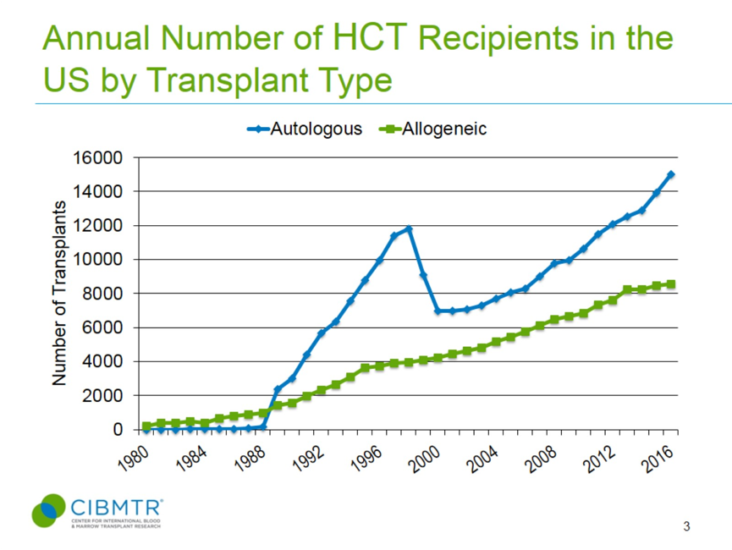
Date | Autologous | Date | Allogeneic |  | Autologous | Allogeneic
2016.58 | 15047.62 | 2014.69 | 8398.90 | 2013.00 | 12340.00 | 7974.00
2016.50 | 14971.67 | 2014.31 | 8361.33
2016.46 | 14929.31 | 2013.75 | 8299.14
2016.37 | 14823.86 | 2013.30 | 8222.40
2016.29 | 14730.48 | 2013.12 | 8032.97
2016.26 | 14688.45 | 2013.04 | 7974.21
2016.19 | 14609.99 | 2012.69 | 7763.82
2016.11 | 14545.31 | 2012.57 | 7725.03
2016.06 | 14481.32 | 2012.37 | 7669.93
2015.95 | 14361.28 | 2012.28 | 7636.52
2015.88 | 14296.60 | 2012.22 | 7601.82
2015.83 | 14236.71 | 2011.79 | 7489.41
2015.73 | 14122.32 | 2011.70 | 7430.66
2015.59 | 13975.56 | 2011.61 | 7399.36
2015.55 | 13940.50 | 2011.48 | 7362.08
2015.46 | 13853.75 | 2011.34 | 7315.51
2015.33 | 13709.66 | 2011.28 | 7284.25
2015.30 | 13676.49 | 2010.72 | 7012.23
2015.25 | 13630.06 | 2011.68 | 7422.49
2015.18 | 13565.38 | 2011.30 | 7298.19
2015.11 | 13500.71 | 2011.26 | 7272.31
2015.06 | 13436.72 | 2010.72 | 7011.20
2014.94 | 13316.67 | 2010.21 | 6823.44
2014.88 | 13266.91 | 2009.79 | 6798.73
2014.83 | 13217.15 | 2009.75 | 6771.10
2014.75 | 13141.71 | 2010.21 | 6821.13
2014.69 | 13077.87 | 2009.75 | 6739.28
2014.58 | 12987.82 | 2009.20 | 6694.20
2014.50 | 12939.85 | 2008.94 | 6602.07
2014.44 | 12911.72 | 2008.72 | 6613.69
2014.37 | 12885.74 | 2008.55 | 6560.68
2014.23 | 12831.31 | 2008.27 | 6460.78
2014.17 | 12805.20 | 2008.21 | 6428.16
2014.09 | 12769.00 | 2008.26 | 6457.79
2014.01 | 12735.77 | 2007.94 | 6352.20
2013.93 | 12704.01 | 2007.82 | 6302.35
2013.86 | 12679.66 | 2007.67 | 6292.54
2013.73 | 12639.39 | 2007.23 | 6102.10
2013.37 | 12518.97 | 2006.74 | 5937.11
2013.29 | 12477.58 | 2006.69 | 5927.06
2013.18 | 12411.10 | 2007.23 | 6102.54
2013.10 | 12377.15 | 2007.00 | 6003.08
2013.03 | 12340.15 | 2006.74 | 5937.11
2012.92 | 12285.27 | 2006.69 | 5927.41
2012.81 | 12242.14 | 2006.59 | 5900.61
2012.73 | 12209.68 | 2006.19 | 5724.82
2012.81 | 12242.14 | 2005.65 | 5571.66
2012.72 | 12206.14 | 2006.19 | 5726.44
2012.32 | 12020.44 | 2005.93 | 5653.79
2012.26 | 11979.31 | 2005.82 | 5603.94
2012.19 | 11931.19 | 2005.65 | 5571.66
2012.13 | 11895.44 | 2005.60 | 5559.79
2012.09 | 11868.27 | 2005.18 | 5431.57
2012.04 | 11836.20 | 2005.13 | 5417.60
2012.00 | 11808.44 | 2004.66 | 5295.60
2011.86 | 11738.07 | 2005.16 | 5426.50
2011.70 | 11639.08 | 2004.93 | 5354.25
2011.38 | 11443.25 | 2004.66 | 5295.60
2011.34 | 11408.85 | 2004.50 | 5249.60
2011.20 | 11269.55 | 2004.20 | 5163.20
2011.17 | 11236.39 | 2004.14 | 5130.57
2011.12 | 11189.96 | 2004.20 | 5160.21
2011.05 | 11125.28 | 2003.93 | 5054.71
2010.99 | 11075.52 | 2003.81 | 5004.86
2010.93 | 11025.76 | 2003.66 | 4995.41
2010.86 | 10971.02 | 2003.59 | 4983.92
2010.81 | 10932.86 | 2003.13 | 4809.63
2010.75 | 10876.47 | 2002.64 | 4734.60
2010.66 | 10808.25 | 2003.13 | 4810.37
2010.56 | 10732.55 | 2002.87 | 4755.08
2010.65 | 10804.70 | 2002.64 | 4734.60
2010.51 | 10693.91 | 2002.13 | 4621.62
2010.45 | 10650.51 | 2001.71 | 4554.64
2010.38 | 10607.24 | 2001.64 | 4564.67
2010.32 | 10567.75 | 2001.12 | 4427.17
2010.25 | 10518.89 | 2000.58 | 4338.60
2010.17 | 10457.73 | 2001.12 | 4428.09
2010.05 | 10378.70 | 2000.75 | 4354.51
2009.96 | 10314.22 | 2000.58 | 4338.60
2009.89 | 10267.75 | 2000.10 | 4223.11
2009.82 | 10231.59 | 1999.69 | 4183.74
2009.71 | 10144.80 | 1999.62 | 4185.91
2009.87 | 10260.04 | 2000.10 | 4223.85
2009.71 | 10144.80 | 1999.70 | 4184.87
2009.66 | 10112.11 | 1999.62 | 4185.91
2009.31 | 9982.71 | 1999.54 | 4185.42
2009.23 | 9961.69 | 1999.07 | 4084.21
2009.17 | 9948.79 | 1999.02 | 4062.44
2009.01 | 9911.48 | 1998.58 | 4049.32
2008.94 | 9905.16 | 1999.07 | 4084.15
2008.86 | 9888.19 | 1998.58 | 4050.01
2008.80 | 9871.92 | 1998.27 | 3996.85
2008.70 | 9858.42 | 1998.03 | 3983.85
2008.64 | 9843.15 | 1997.57 | 3946.74
2008.32 | 9724.43 | 1998.02 | 3984.85
2008.27 | 9693.38 | 1997.57 | 3946.74
2008.23 | 9658.81 | 1997.05 | 3896.83
2008.16 | 9581.12 | 1997.03 | 3851.98
2008.09 | 9521.13 | 1996.58 | 3788.21
2008.03 | 9485.11 | 1997.04 | 3898.19
2007.94 | 9425.58 | 1996.80 | 3851.84
2007.89 | 9381.41 | 1996.58 | 3788.21
2007.82 | 9335.81 | 1996.57 | 3832.00
2007.73 | 9274.18 | 1996.03 | 3745.24
2007.65 | 9201.01 | 1995.50 | 3696.40
2007.73 | 9274.18 | 1995.15 | 3591.66
2007.65 | 9201.01 | 1996.03 | 3746.67
2007.25 | 8926.64 | 1995.74 | 3701.22
2007.14 | 8824.31 | 1995.50 | 3696.40
2007.08 | 8783.28 | 1995.16 | 3598.87
2007.01 | 8744.09 | 1995.01 | 3514.89
2006.94 | 8695.14 | 1994.83 | 3443.21
2006.86 | 8635.42 | 1994.78 | 3420.37
2006.79 | 8575.71 | 1994.71 | 3375.42
2006.73 | 8527.60 | 1994.53 | 3293.75
2006.63 | 8457.71 | 1994.46 | 3272.12
2006.73 | 8527.60 | 1994.37 | 3255.67
2006.63 | 8457.71 | 1994.02 | 3047.75
2006.27 | 8301.53 | 1993.47 | 2771.57
2006.14 | 8263.74 | 1994.02 | 3048.26
2006.08 | 8252.46 | 1993.85 | 2953.31
2005.94 | 8218.04 | 1993.74 | 2903.46
2005.87 | 8206.75 | 1993.59 | 2845.29
2005.78 | 8181.73 | 1993.51 | 2795.79
2005.66 | 8158.24 | 1993.46 | 2771.65
2005.76 | 8176.94 | 1993.03 | 2603.68
2005.71 | 8166.24 | 1992.50 | 2453.64
2005.65 | 8155.16 | 1993.02 | 2604.13
2005.18 | 8031.21 | 1992.50 | 2453.64
2005.12 | 8007.55 | 1992.01 | 2286.93
2004.97 | 7949.59 | 1991.46 | 2091.37
2004.91 | 7923.48 | 1992.00 | 2287.56
2004.84 | 7892.82 | 1991.79 | 2205.13
2004.78 | 7870.36 | 1991.67 | 2155.28
2004.73 | 7851.49 | 1991.46 | 2091.37
2004.59 | 7805.96 | 1990.99 | 1901.67
2004.23 | 7693.17 | 1990.46 | 1716.18
2004.16 | 7658.10 | 1990.98 | 1901.61
2004.10 | 7623.35 | 1990.73 | 1806.16
2004.03 | 7587.39 | 1990.59 | 1756.28
2003.96 | 7560.56 | 1990.54 | 1736.34
2003.89 | 7537.59 | 1990.46 | 1716.18
2003.79 | 7502.75 | 1990.39 | 1710.75
2003.65 | 7421.17 | 1990.02 | 1549.78
2003.58 | 7399.06
2003.26 | 7319.86
2003.17 | 7289.87
2003.11 | 7270.02
2003.04 | 7263.70
2002.96 | 7246.73
2002.91 | 7230.46
2002.80 | 7198.25
2002.72 | 7179.32
2002.61 | 7159.48
2002.56 | 7148.87
2002.61 | 7159.48
2002.54 | 7146.15
2002.23 | 7104.53
2002.16 | 7096.60
2002.11 | 7083.80
2002.05 | 7069.74
2002.00 | 7063.44
2001.94 | 7063.35
2001.88 | 7063.26
2001.78 | 7061.74
2001.72 | 7055.01
2001.54 | 7034.19
2001.48 | 7026.54
2001.42 | 7026.16
2001.22 | 7032.25
2001.13 | 7017.43
2001.05 | 7012.35
2000.99 | 7012.26
2000.94 | 7012.17
2000.88 | 7012.08
2000.82 | 7011.99
2000.76 | 7011.90
2000.70 | 7011.81
2000.64 | 7011.72
2000.54 | 7006.83
2000.48 | 6998.77
2000.40 | 7021.85
2000.33 | 7075.76
2000.30 | 7110.71
2000.26 | 7207.34
2000.23 | 7265.84
2000.19 | 7341.88
2000.16 | 7413.09
2000.14 | 7467.85
2000.09 | 7541.70
2000.07 | 7589.02
2000.04 | 7661.27
2000.02 | 7716.03
1999.99 | 7769.39
1999.95 | 7845.32
1999.90 | 7960.55
1999.87 | 8030.87
1999.83 | 8088.77
1999.81 | 8142.03
1999.79 | 8208.73
1999.75 | 8279.04
1999.72 | 8336.95
1999.69 | 8390.20
1999.67 | 8456.91
1999.63 | 8527.22
1999.60 | 8585.12
1999.58 | 8638.38
1999.55 | 8705.08
1999.51 | 8785.73
1999.46 | 8881.31
1999.44 | 8923.69
1999.49 | 8818.36
1999.42 | 8952.45
1999.31 | 9296.32
1999.28 | 9341.69
1999.25 | 9393.80
1999.22 | 9472.11
1999.20 | 9520.12
1999.16 | 9611.20
1999.14 | 9669.05
1999.11 | 9763.02
1999.09 | 9833.89
1999.06 | 9919.49
1999.03 | 9982.82
1999.00 | 10068.41
1998.95 | 10202.99
1998.93 | 10266.40
1998.91 | 10314.41
1998.87 | 10405.49
1998.85 | 10463.34
1998.81 | 10554.42
1998.79 | 10612.26
1998.76 | 10706.23
1998.74 | 10777.11
1998.71 | 10862.70
1998.68 | 10926.03
1998.65 | 11011.63
1998.60 | 11146.20
1998.58 | 11209.61
1998.56 | 11257.62
1998.52 | 11348.70
1998.50 | 11406.55
1998.47 | 11483.52
1998.45 | 11542.57
1998.43 | 11615.45
1998.12 | 11758.69
1998.05 | 11723.14
1997.97 | 11686.03
1997.89 | 11651.77
1997.81 | 11618.53
1997.74 | 11586.33
1997.66 | 11559.32
1997.54 | 11509.27
1997.32 | 11413.59
1997.22 | 11341.10
1997.19 | 11268.34
1997.16 | 11202.80
1997.08 | 11067.73
1997.05 | 11025.94
1996.97 | 10927.17
1996.90 | 10819.11
1996.87 | 10777.32
1996.79 | 10678.55
1996.72 | 10570.49
1996.69 | 10528.69
1996.62 | 10429.93
1996.54 | 10317.84
1996.47 | 10220.20
1996.39 | 10121.23
1996.29 | 9987.86
1996.19 | 9867.86
1996.16 | 9823.16
1996.09 | 9725.13
1996.04 | 9677.05
1995.96 | 9583.67
1995.93 | 9541.64
1995.85 | 9463.18
1995.78 | 9384.72
1995.75 | 9342.69
1995.66 | 9249.31
1995.60 | 9180.81
1995.56 | 9135.46
1995.53 | 9099.67
1995.49 | 9055.41
1995.41 | 8975.41
1995.18 | 8680.18
1995.11 | 8596.17
1995.06 | 8525.50
1995.17 | 8673.06
1995.12 | 8611.78
1995.07 | 8539.83
1995.00 | 8461.96
1994.90 | 8352.66
1994.83 | 8263.05
1994.79 | 8219.81
1994.76 | 8178.67
1994.72 | 8125.36
1994.68 | 8080.03
...

Anemia Prevalence
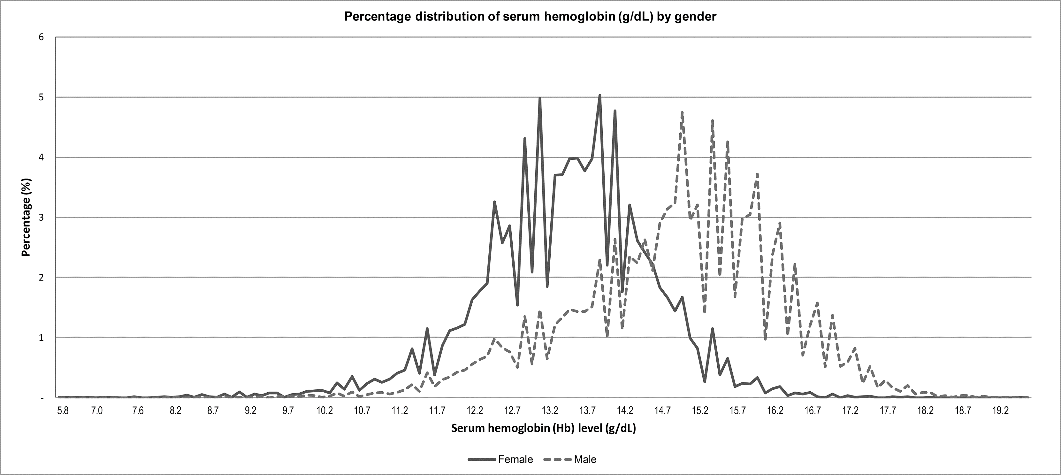
MEN |  | Women
g/dL | Percentage | g/dL | Percentage
5.90 | 0.00 | 7.21 | 0.01
6.07 | -0.01 | 7.34 | 0.00
6.35 | 0.02 | 7.34 | 0.00
6.67 | 0.00 | 7.35 | 0.00
7.05 | 0.00 | 7.35 | 0.00
7.08 | 0.00 | 7.36 | 0.00
7.09 | 0.00 | 7.36 | 0.00
7.09 | 0.00 | 7.48 | 0.01
7.09 | 0.00 | 7.48 | 0.01
7.10 | 0.00 | 7.49 | 0.01
7.10 | 0.00 | 7.50 | 0.01
7.10 | 0.00 | 7.50 | 0.02
7.11 | 0.00 | 7.51 | 0.02
7.11 | 0.00 | 7.51 | 0.02
7.11 | 0.00 | 7.51 | 0.02
7.12 | 0.00 | 7.52 | 0.02
7.12 | 0.00 | 7.52 | 0.03
7.12 | 0.00 | 7.53 | 0.03
7.13 | 0.00 | 7.53 | 0.03
7.13 | 0.00 | 7.54 | 0.03
7.13 | 0.00 | 7.54 | 0.03
7.14 | 0.00 | 7.55 | 0.03
7.14 | 0.00 | 7.55 | 0.03
7.14 | 0.00 | 7.56 | 0.03
7.15 | 0.00 | 7.56 | 0.03
7.15 | 0.00 | 7.56 | 0.03
7.16 | 0.00 | 7.57 | 0.03
7.16 | 0.00 | 7.58 | 0.03
7.23 | 0.00 | 7.58 | 0.03
7.23 | 0.00 | 7.58 | 0.03
7.24 | 0.00 | 7.60 | 0.03
7.24 | 0.00 | 7.60 | 0.03
7.24 | 0.00 | 7.62 | 0.03
7.25 | 0.00 | 7.62 | 0.02
7.25 | 0.00 | 7.63 | 0.02
7.25 | 0.00 | 7.63 | 0.01
7.26 | 0.00 | 7.64 | 0.01
7.26 | 0.00 | 7.64 | 0.01
7.26 | 0.00 | 7.72 | 0.03
7.27 | 0.00 | 7.73 | 0.03
7.27 | 0.00 | 7.74 | 0.03
7.27 | 0.00 | 7.74 | 0.03
7.28 | 0.00 | 7.75 | 0.04
7.28 | 0.00 | 7.76 | 0.04
...

Trauma
...
 | 9.4615787869 | Mean units used per blood trauma
...
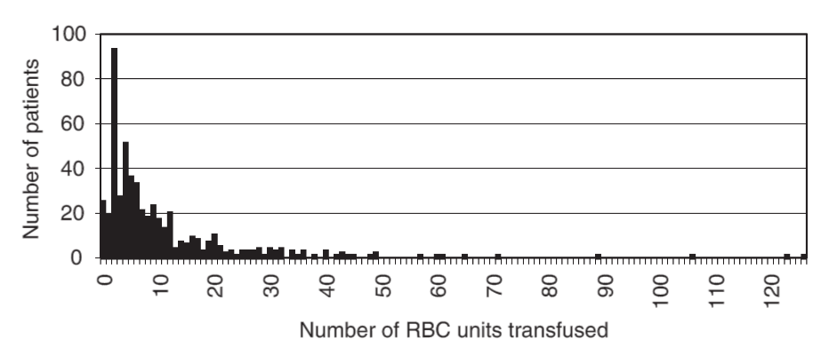
 |  | RBC Units | Frequency
CDF(10)=.693 |  | 1.00 | 26.00
 |  | 2.00 | 20.00
 |  | 3.00 | 94.00
 |  | 4.00 | 28.00
 |  | 5.00 | 52.00
 |  | 6.00 | 37.00
 |  | 7.00 | 34.00
 |  | 8.00 | 22.00
 |  | 9.00 | 18.00
 |  | 10.00 | 24.00
 |  | 11.00 | 18.00
 |  | 12.00 | 13.00
 |  | 13.00 | 20.00
 |  | 14.00 | 5.00
 |  | 15.00 | 8.00
 |  | 16.00 | 6.00
 |  | 17.00 | 10.00
 |  | 18.00 | 9.00
 |  | 19.00 | 4.00
 |  | 20.00 | 8.00
 |  | 21.00 | 11.00
 |  | 22.00 | 6.00
 |  | 23.00 | 3.00
 |  | 24.00 | 4.00
 |  | 25.00 | 1.00
 |  | 26.00 | 3.00
 |  | 27.00 | 4.00
 |  | 28.00 | 4.00
 |  | 29.00 | 5.00
 |  | 30.00 | 2.00
 |  | 31.00 | 5.00
...

